Figure 1
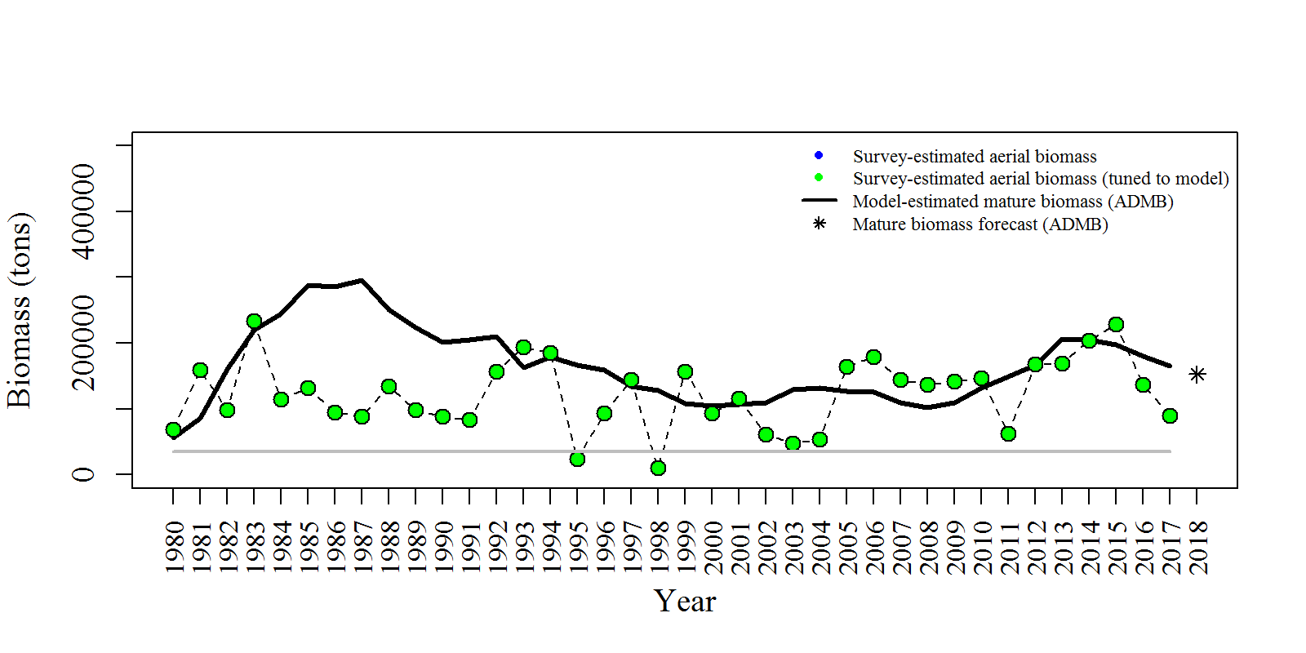
Year | tot_obs_aerial_tons | tot_mat_B_tons | tot_obs_aerial_tuned_tons | yminusfour | yminusthree | yminustwo | yminusone | threshold
1980 | 68686.1 | 55944.5 | 68686.1 | 57682 | 58888 | 77980 |  | 35000
1981 | 158650 | 85499.6 | 158650 | 109128 | 109638 | 135211 |  | 35000
1982 | 97902.9 | 160170 | 97902.9 | 196858 | 197028 | 209852 |  | 35000
1983 | 233702 | 219848 | 233702 | 274695 | 274969 | 254955 |  | 35000
1984 | 114880 | 244411 | 114880 | 314097 | 315702 | 267237 |  | 35000
1985 | 131400 | 288109 | 131400 | 381140 | 385749 | 327852 |  | 35000
1986 | 94770.1 | 285866 | 94770.1 | 392668 | 398561 | 340136 |  | 35000
1987 | 88397.6 | 294943 | 88397.6 | 410451 | 415923 | 350373 |  | 35000
1988 | 134718 | 251396 | 134718 | 347585 | 351064 | 288862 |  | 35000
1989 | 98965.1 | 223698 | 98965.1 | 299163 | 301590 | 241975 |  | 35000
1990 | 88105.1 | 201182 | 88105.1 | 258337 | 259619 | 205330 |  | 35000
1991 | 83229.1 | 204561 | 83229.1 | 243909 | 244676 | 197715 |  | 35000
1992 | 156957 | 209852 | 156957 | 233392 | 233700 | 193639 |  | 35000
1993 | 193847 | 163011 | 193847 | 192006 | 192144 | 175370 |  | 35000
1994 | 185412 | 179439 | 185412 | 201513 | 201351 | 193292 |  | 35000
1995 | 23550.2 | 166738 | 23550.2 | 183058 | 183803 | 179832 |  | 35000
1996 | 94051.9 | 159128 | 94051.9 | 175017 | 175855 | 175108 |  | 35000
1997 | 144888 | 134689 | 144888 | 152349 | 152810 | 154537 |  | 35000
1998 | 9872.1 | 127867 | 9872.1 | 146437 | 146454 | 148286 |  | 35000
1999 | 157030 | 108356 | 157030 | 123387 | 123202 | 122684 |  | 35000
2000 | 93214.9 | 104318 | 93214.9 | 120141 | 120139 | 116472 |  | 35000
2001 | 115156 | 107345 | 115156 | 131167 | 131665 | 125157 |  | 35000
2002 | 61377.6 | 110163 | 61377.6 | 140202 | 140088 | 137273 |  | 35000
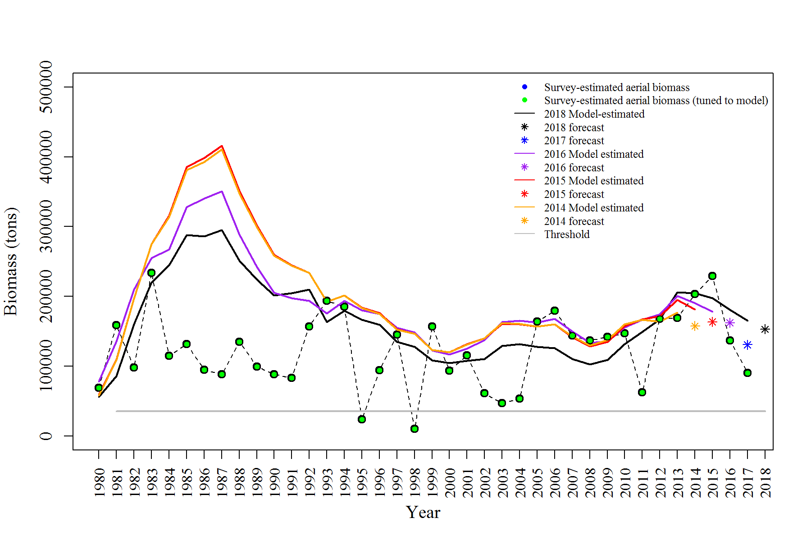
2003 | 47074.5 | 129044 | 47074.5 | 161616 | 160914 | 163266 |  | 35000
2004 | 53625.5 | 131345 | 53625.5 | 160528 | 160237 | 165144 |  | 35000
2005 | 163739 | 127442 | 163739 | 156462 | 156850 | 162426 |  | 35000
2006 | 179582 | 125598 | 179582 | 159718 | 159776 | 167738 |  | 35000
2007 | 143828 | 109950 | 143828 | 142351 | 141509 | 149640 |  | 35000
2008 | 136840 | 102422 | 136840 | 129926 | 128276 | 133204 |  | 35000
2009 | 142155 | 108978 | 142155 | 137082 | 134670 | 135304 |  | 35000
2010 | 146914 | 131755 | 146914 | 160164 | 157687 | 155786 |  | 35000
2011 | 62333.6 | 148848 | 62333.6 | 166664 | 167234 | 166383 |  | 35000
2012 | 167740 | 166894 | 167740 | 163898 | 171880 | 174124 |  | 35000
2013 | 169022 | 205917 | 169022 | 176898 | 194771 | 200752 |  | 35000
2014 | 203269 | 204782 | 203269 |  | 181296 | 190640 |  | 35000
2015 | 228809 | 197764 | 228809 |  |  | 178368 |  | 35000
2016 | 136994 | 180362 | 136994 |  |  |  |  | 35000
2017 | 90269.5 | 164954 | 90269.5 |  |  |  |  | 35000

Figure 2
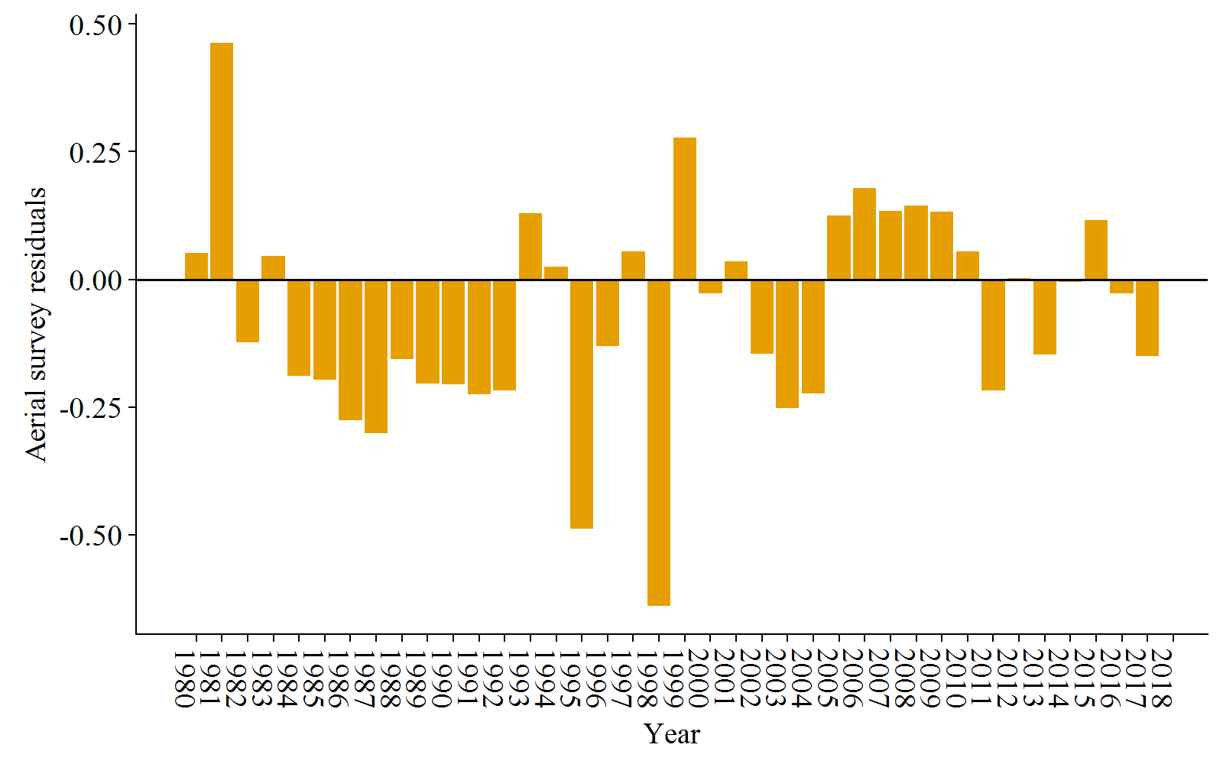
Year | res_aerial
1980 | 0.0512964
1981 | 0.463642
1982 | -0.123064
1983 | 0.0458319
1984 | -0.188742
1985 | -0.196274
1986 | -0.276018
1987 | -0.301235
1988 | -0.155962
1989 | -0.203882
1990 | -0.20642
1991 | -0.224818
1992 | -0.217822
1993 | 0.129939
1994 | 0.0245568
1995 | -0.489322
1996 | -0.131466
1997 | 0.0547448
1998 | -0.640319
1999 | 0.278262
2000 | -0.0281354
2001 | 0.0351222
2002 | -0.14623
2003 | -0.252106
2004 | -0.223951
2005 | 0.125306
2006 | 0.17877
2007 | 0.134296
2008 | 0.144858
2009 | 0.132889
2010 | 0.0544515
2011 | -0.217606
2012 | 0.00252665
2013 | -0.148087
2014 | -0.00556195
2015 | 0.116652
2016 | -0.027503
2017 | -0.150717

Figure 3
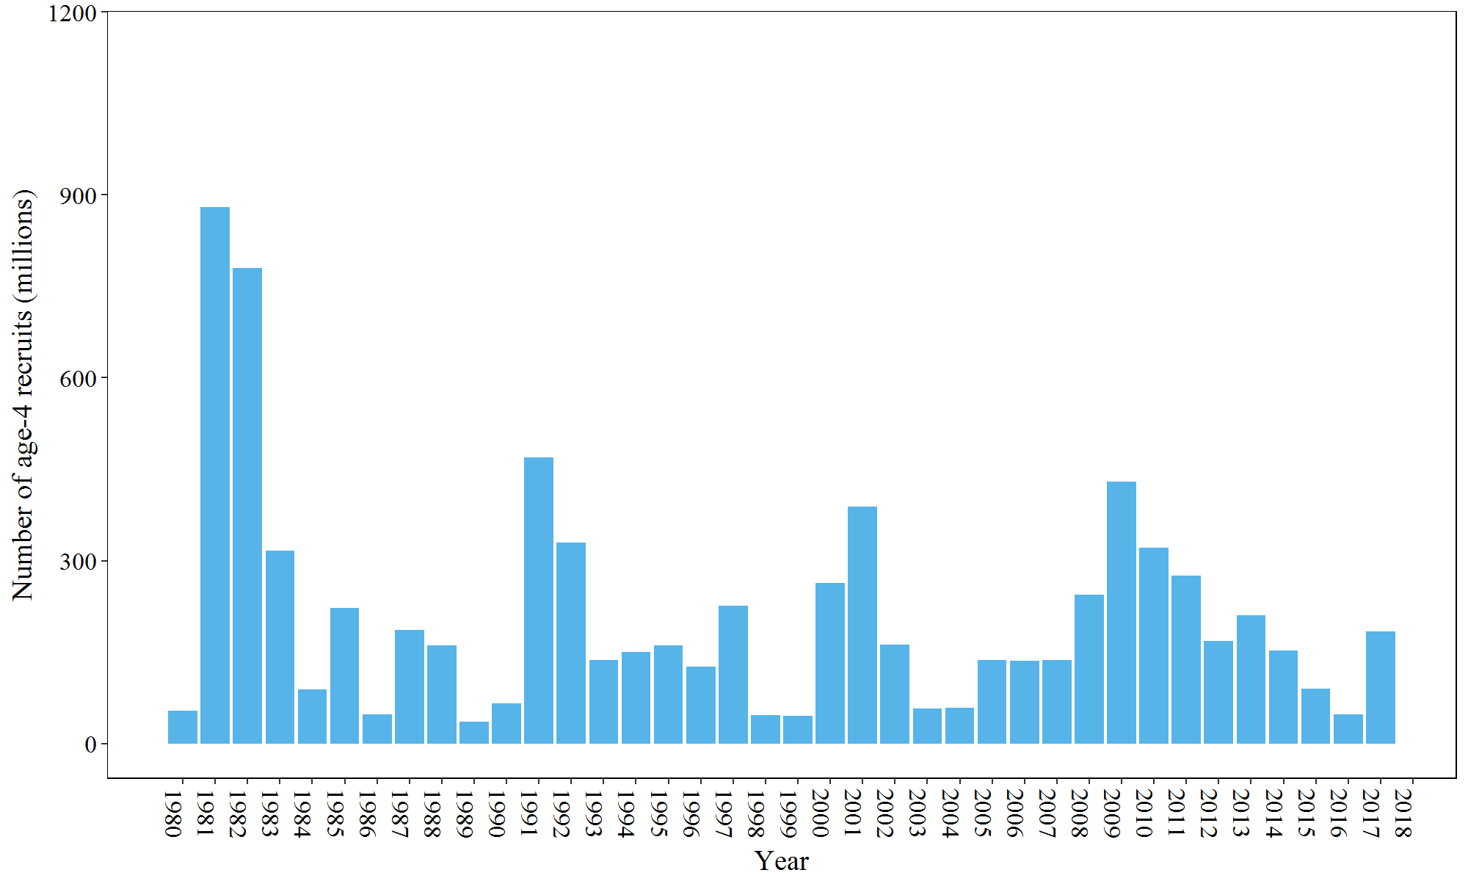
Year | init_age_4
1980 | 54.1854
1981 | 880.298
1982 | 779.389
1983 | 316.689
1984 | 89.4853
1985 | 222.251
1986 | 47.7205
1987 | 186.434
1988 | 161.516
1989 | 35.3373
1990 | 65.436
1991 | 469.714
1992 | 329.753
1993 | 136.977
1994 | 150.632
1995 | 161.071
1996 | 126.32
1997 | 226.309
1998 | 46.189
1999 | 45.5924
2000 | 262.922
2001 | 388.225
2002 | 162.602
2003 | 57.7597
2004 | 59.2129
2005 | 137.477
2006 | 135.925
2007 | 137.344
2008 | 244.286
2009 | 429.66
2010 | 321.714
2011 | 275.766
2012 | 168.282
2013 | 210.346
2014 | 152.47
2015 | 90.3495
2016 | 48.5521
2017 | 183.516

Figure 4
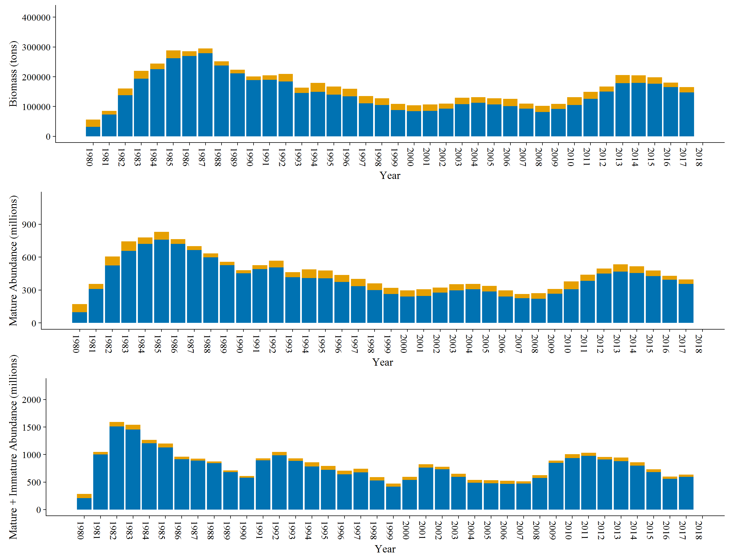
 | Year | N | tot_post_N | tot_sp_N | tot_mat_N | Catch1 | Catch2
 | 1980 | 283.913 | 209.242 | 98.1807 | 172.853 | 74.6723 | 74.671
 | 1981 | 1049.71 | 1002.21 | 309.248 | 356.745 | 47.497 | 47.5
 | 1982 | 1591 | 1510.93 | 524.98 | 605.041 | 80.061 | 80.07
 | 1983 | 1540.11 | 1453.36 | 657.808 | 744.553 | 86.745 | 86.75
 | 1984 | 1265.94 | 1206.27 | 720.247 | 779.918 | 59.671 | 59.67
 | 1985 | 1198.42 | 1126.77 | 758.674 | 830.318 | 71.644 | 71.65
 | 1986 | 959.414 | 916.611 | 721.537 | 764.34 | 42.803 | 42.803
 | 1987 | 925.919 | 889.982 | 664.722 | 700.658 | 35.936 | 35.937
 | 1988 | 876.552 | 842.787 | 599.767 | 633.533 | 33.766 | 33.765
 | 1989 | 710.086 | 680.621 | 527.816 | 557.281 | 29.465 | 29.465
 | 1990 | 608.026 | 579.652 | 452.808 | 481.182 | 28.374 | 28.374
 | 1991 | 930.798 | 896.103 | 491.533 | 526.228 | 34.695 | 34.695
 | 1992 | 1048.51 | 987.017 | 507.138 | 568.626 | 61.488 | 61.493
 | 1993 | 930.77 | 883.86 | 416.645 | 463.556 | 46.911 | 46.91
 | 1994 | 861.665 | 782.387 | 410.48 | 489.757 | 79.277 | 79.278
 | 1995 | 791.228 | 719.865 | 408.198 | 479.562 | 71.364 | 71.363
 | 1996 | 706.912 | 642.637 | 374.073 | 438.348 | 64.275 | 64.275
 | 1997 | 744.222 | 676.966 | 334.939 | 402.195 | 67.256 | 67.256
 | 1998 | 591.576 | 529.52 | 299.056 | 361.112 | 62.056 | 62.056
 | 1999 | 471.57 | 415.35 | 264.59 | 320.81 | 56.22 | 56.22
 | 2000 | 596.592 | 541.435 | 241.133 | 296.29 | 55.157 | 55.157
 | 2001 | 824.358 | 764.503 | 246.672 | 306.528 | 59.856 | 59.855
 | 2002 | 779.762 | 733.701 | 277.778 | 323.838 | 46.06 | 46.061
 | 2003 | 649.997 | 593.853 | 298.004 | 354.147 | 56.143 | 56.144
 | 2004 | 538.449 | 490.062 | 308.468 | 356.855 | 48.387 | 48.387
 | 2005 | 532.977 | 479.864 | 285.863 | 338.977 | 53.114 | 53.113
 | 2006 | 523.027 | 466.966 | 240.411 | 296.472 | 56.061 | 56.061
 | 2007 | 513.457 | 474.025 | 224.386 | 263.818 | 39.432 | 39.432
 | 2008 | 625.801 | 574.215 | 219.258 | 270.844 | 51.586 | 51.586
 | 2009 | 892.506 | 847.935 | 265.9 | 310.472 | 44.572 | 44.571
 | 2010 | 1006.61 | 936.74 | 307.824 | 377.691 | 69.867 | 69.87
 | 2011 | 1032.94 | 975.5 | 383.417 | 440.857 | 57.44 | 57.44
 | 2012 | 956.942 | 909.543 | 449.448 | 496.846 | 47.398 | 47.399
 | 2013 | 945.493 | 877.594 | 467.66 | 535.559 | 67.899 | 67.899
 | 2014 | 861.442 | 798.545 | 454.224 | 517.121 | 62.897 | 62.897
 | 2015 | 734.345 | 682.764 | 428.128 | 479.709 | 51.581 | 51.581
 | 2016 | 597.863 | 561.466 | 393.282 | 429.679 | 36.397 | 36.397
 | 2017 | 633.764 | 593.332 | 355.386 | 395.818 | 40.432 | 40.432

Figure 4b and 4c: Spawning population abundance (blue bars;top figure; tot_sp_N), population abundance (immature and spawning abundance) (blue bars;bottom figure; tot_post_N), and
commercial fishery harvest (yellow bars) over time. The combination of the blue and yellow bars (total height of each bar) is the mature population abundance (tot_mat_N),
or total population abundance (N).

Figure 5
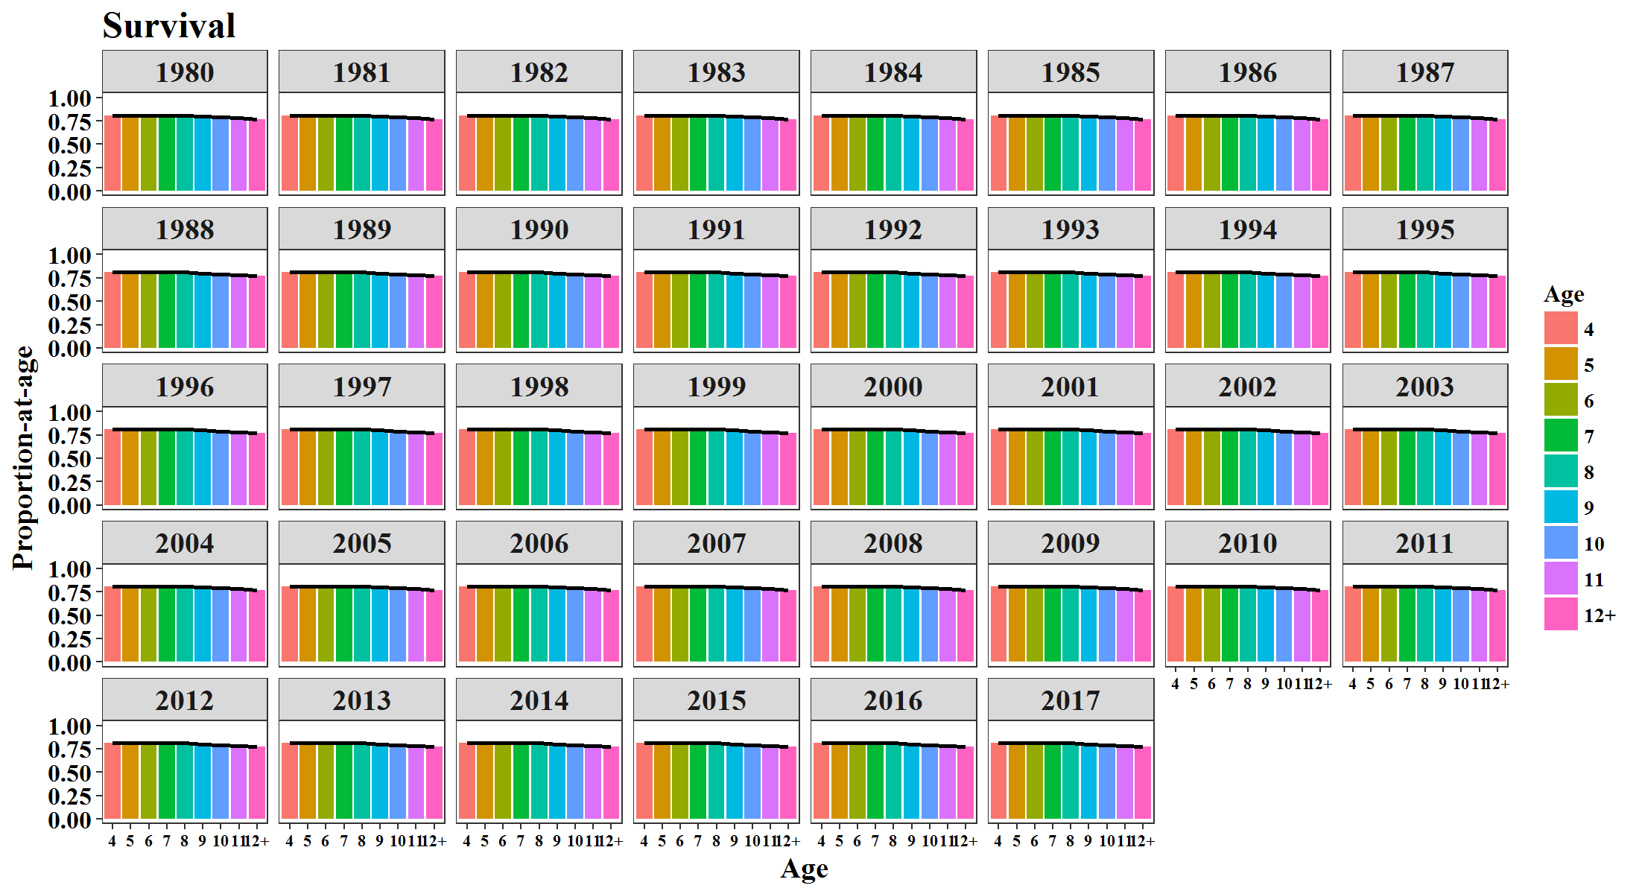
Year | Age | SUR | Year | Age | MAT | Year | Age | GS
1980 | 4 | 0.8099 | 1980 | 4 | 0.262 | 1980 | 4 | 0.0961
1981 | 4 | 0.8099 | 1981 | 4 | 0.262 | 1981 | 4 | 0.0961
1982 | 4 | 0.8099 | 1982 | 4 | 0.262 | 1982 | 4 | 0.0961
1983 | 4 | 0.8099 | 1983 | 4 | 0.262 | 1983 | 4 | 0.0961
1984 | 4 | 0.8099 | 1984 | 4 | 0.262 | 1984 | 4 | 0.0961
1985 | 4 | 0.8099 | 1985 | 4 | 0.262 | 1985 | 4 | 0.0961
1986 | 4 | 0.8099 | 1986 | 4 | 0.262 | 1986 | 4 | 0.0961
1987 | 4 | 0.8099 | 1987 | 4 | 0.262 | 1987 | 4 | 0.0961
1988 | 4 | 0.8099 | 1988 | 4 | 0.262 | 1988 | 4 | 0.0961
1989 | 4 | 0.8099 | 1989 | 4 | 0.262 | 1989 | 4 | 0.0961
1990 | 4 | 0.8099 | 1990 | 4 | 0.262 | 1990 | 4 | 0.0961
1991 | 4 | 0.8099 | 1991 | 4 | 0.262 | 1991 | 4 | 0.0961
1992 | 4 | 0.8099 | 1992 | 4 | 0.262 | 1992 | 4 | 0.0961
1993 | 4 | 0.8099 | 1993 | 4 | 0.1114 | 1993 | 4 | 0.0961
1994 | 4 | 0.8099 | 1994 | 4 | 0.1114 | 1994 | 4 | 0.0961
1995 | 4 | 0.8099 | 1995 | 4 | 0.1114 | 1995 | 4 | 0.0961
1996 | 4 | 0.8099 | 1996 | 4 | 0.1114 | 1996 | 4 | 0.0961
1997 | 4 | 0.8099 | 1997 | 4 | 0.1114 | 1997 | 4 | 0.0961
1998 | 4 | 0.8099 | 1998 | 4 | 0.1114 | 1998 | 4 | 0.0961
1999 | 4 | 0.8099 | 1999 | 4 | 0.1114 | 1999 | 4 | 0.0961
2000 | 4 | 0.8099 | 2000 | 4 | 0.1114 | 2000 | 4 | 0.0961
2001 | 4 | 0.8099 | 2001 | 4 | 0.1114 | 2001 | 4 | 0.0961
2002 | 4 | 0.8099 | 2002 | 4 | 0.1114 | 2002 | 4 | 0.0757
2003 | 4 | 0.8099 | 2003 | 4 | 0.1114 | 2003 | 4 | 0.0757
2004 | 4 | 0.8099 | 2004 | 4 | 0.1114 | 2004 | 4 | 0.0757
2005 | 4 | 0.8099 | 2005 | 4 | 0.1114 | 2005 | 4 | 0.0757
2006 | 4 | 0.8099 | 2006 | 4 | 0.1114 | 2006 | 4 | 0.0757
2007 | 4 | 0.8099 | 2007 | 4 | 0.1114 | 2007 | 4 | 0.0757
2008 | 4 | 0.8099 | 2008 | 4 | 0.1114 | 2008 | 4 | 0.0757
2009 | 4 | 0.8099 | 2009 | 4 | 0.1114 | 2009 | 4 | 0.0757
2010 | 4 | 0.8099 | 2010 | 4 | 0.1114 | 2010 | 4 | 0.0757
2011 | 4 | 0.8099 | 2011 | 4 | 0.1114 | 2011 | 4 | 0.0757
2012 | 4 | 0.8099 | 2012 | 4 | 0.1114 | 2012 | 4 | 0.0757
2013 | 4 | 0.8099 | 2013 | 4 | 0.1114 | 2013 | 4 | 0.0757
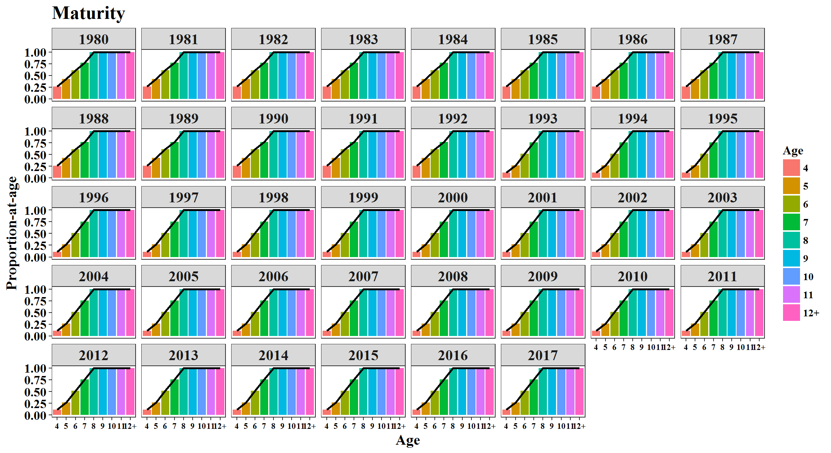
2014 | 4 | 0.8099 | 2014 | 4 | 0.1114 | 2014 | 4 | 0.0757
2015 | 4 | 0.8099 | 2015 | 4 | 0.1114 | 2015 | 4 | 0.0757
2016 | 4 | 0.8099 | 2016 | 4 | 0.1114 | 2016 | 4 | 0.0757
2017 | 4 | 0.8099 | 2017 | 4 | 0.1114 | 2017 | 4 | 0.0757
1980 | 5 | 0.8099 | 1980 | 5 | 0.4284 | 1980 | 5 | 0.2447
1981 | 5 | 0.8099 | 1981 | 5 | 0.4284 | 1981 | 5 | 0.2447
1982 | 5 | 0.8099 | 1982 | 5 | 0.4284 | 1982 | 5 | 0.2447
1983 | 5 | 0.8099 | 1983 | 5 | 0.4284 | 1983 | 5 | 0.2447
1984 | 5 | 0.8099 | 1984 | 5 | 0.4284 | 1984 | 5 | 0.2447
1985 | 5 | 0.8099 | 1985 | 5 | 0.4284 | 1985 | 5 | 0.2447
1986 | 5 | 0.8099 | 1986 | 5 | 0.4284 | 1986 | 5 | 0.2447
1987 | 5 | 0.8099 | 1987 | 5 | 0.4284 | 1987 | 5 | 0.2447
1988 | 5 | 0.8099 | 1988 | 5 | 0.4284 | 1988 | 5 | 0.2447
1989 | 5 | 0.8099 | 1989 | 5 | 0.4284 | 1989 | 5 | 0.2447
1990 | 5 | 0.8099 | 1990 | 5 | 0.4284 | 1990 | 5 | 0.2447
1991 | 5 | 0.8099 | 1991 | 5 | 0.4284 | 1991 | 5 | 0.2447
1992 | 5 | 0.8099 | 1992 | 5 | 0.4284 | 1992 | 5 | 0.2447
1993 | 5 | 0.8099 | 1993 | 5 | 0.2673 | 1993 | 5 | 0.2447
1994 | 5 | 0.8099 | 1994 | 5 | 0.2673 | 1994 | 5 | 0.2447
1995 | 5 | 0.8099 | 1995 | 5 | 0.2673 | 1995 | 5 | 0.2447
1996 | 5 | 0.8099 | 1996 | 5 | 0.2673 | 1996 | 5 | 0.2447
1997 | 5 | 0.8099 | 1997 | 5 | 0.2673 | 1997 | 5 | 0.2447
1998 | 5 | 0.8099 | 1998 | 5 | 0.2673 | 1998 | 5 | 0.2447
1999 | 5 | 0.8099 | 1999 | 5 | 0.2673 | 1999 | 5 | 0.2447
2000 | 5 | 0.8099 | 2000 | 5 | 0.2673 | 2000 | 5 | 0.2447
2001 | 5 | 0.8099 | 2001 | 5 | 0.2673 | 2001 | 5 | 0.2447
2002 | 5 | 0.8099 | 2002 | 5 | 0.2673 | 2002 | 5 | 0.2362
2003 | 5 | 0.8099 | 2003 | 5 | 0.2673 | 2003 | 5 | 0.2362
2004 | 5 | 0.8099 | 2004 | 5 | 0.2673 | 2004 | 5 | 0.2362
2005 | 5 | 0.8099 | 2005 | 5 | 0.2673 | 2005 | 5 | 0.2362
2006 | 5 | 0.8099 | 2006 | 5 | 0.2673 | 2006 | 5 | 0.2362
2007 | 5 | 0.8099 | 2007 | 5 | 0.2673 | 2007 | 5 | 0.2362
2008 | 5 | 0.8099 | 2008 | 5 | 0.2673 | 2008 | 5 | 0.2362
2009 | 5 | 0.8099 | 2009 | 5 | 0.2673 | 2009 | 5 | 0.2362
2010 | 5 | 0.8099 | 2010 | 5 | 0.2673 | 2010 | 5 | 0.2362
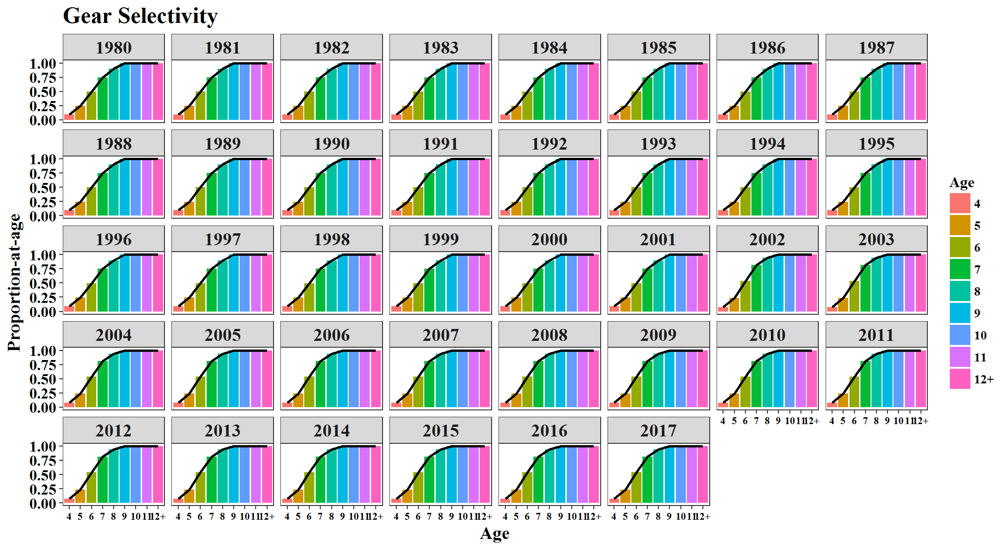
2011 | 5 | 0.8099 | 2011 | 5 | 0.2673 | 2011 | 5 | 0.2362
2012 | 5 | 0.8099 | 2012 | 5 | 0.2673 | 2012 | 5 | 0.2362
2013 | 5 | 0.8099 | 2013 | 5 | 0.2673 | 2013 | 5 | 0.2362
2014 | 5 | 0.8099 | 2014 | 5 | 0.2673 | 2014 | 5 | 0.2362
2015 | 5 | 0.8099 | 2015 | 5 | 0.2673 | 2015 | 5 | 0.2362
2016 | 5 | 0.8099 | 2016 | 5 | 0.2673 | 2016 | 5 | 0.2362
2017 | 5 | 0.8099 | 2017 | 5 | 0.2673 | 2017 | 5 | 0.2362
1980 | 6 | 0.8099 | 1980 | 6 | 0.6127 | 1980 | 6 | 0.4966
1981 | 6 | 0.8099 | 1981 | 6 | 0.6127 | 1981 | 6 | 0.4966
1982 | 6 | 0.8099 | 1982 | 6 | 0.6127 | 1982 | 6 | 0.4966
1983 | 6 | 0.8099 | 1983 | 6 | 0.6127 | 1983 | 6 | 0.4966
1984 | 6 | 0.8099 | 1984 | 6 | 0.6127 | 1984 | 6 | 0.4966
1985 | 6 | 0.8099 | 1985 | 6 | 0.6127 | 1985 | 6 | 0.4966
1986 | 6 | 0.8099 | 1986 | 6 | 0.6127 | 1986 | 6 | 0.4966
1987 | 6 | 0.8099 | 1987 | 6 | 0.6127 | 1987 | 6 | 0.4966
1988 | 6 | 0.8099 | 1988 | 6 | 0.6127 | 1988 | 6 | 0.4966
1989 | 6 | 0.8099 | 1989 | 6 | 0.6127 | 1989 | 6 | 0.4966
1990 | 6 | 0.8099 | 1990 | 6 | 0.6127 | 1990 | 6 | 0.4966
1991 | 6 | 0.8099 | 1991 | 6 | 0.6127 | 1991 | 6 | 0.4966
1992 | 6 | 0.8099 | 1992 | 6 | 0.6127 | 1992 | 6 | 0.4966
1993 | 6 | 0.8099 | 1993 | 6 | 0.5149 | 1993 | 6 | 0.4966
1994 | 6 | 0.8099 | 1994 | 6 | 0.5149 | 1994 | 6 | 0.4966
1995 | 6 | 0.8099 | 1995 | 6 | 0.5149 | 1995 | 6 | 0.4966
1996 | 6 | 0.8099 | 1996 | 6 | 0.5149 | 1996 | 6 | 0.4966
1997 | 6 | 0.8099 | 1997 | 6 | 0.5149 | 1997 | 6 | 0.4966
1998 | 6 | 0.8099 | 1998 | 6 | 0.5149 | 1998 | 6 | 0.4966
1999 | 6 | 0.8099 | 1999 | 6 | 0.5149 | 1999 | 6 | 0.4966
2000 | 6 | 0.8099 | 2000 | 6 | 0.5149 | 2000 | 6 | 0.4966
2001 | 6 | 0.8099 | 2001 | 6 | 0.5149 | 2001 | 6 | 0.4966
2002 | 6 | 0.8099 | 2002 | 6 | 0.5149 | 2002 | 6 | 0.5387
2003 | 6 | 0.8099 | 2003 | 6 | 0.5149 | 2003 | 6 | 0.5387
2004 | 6 | 0.8099 | 2004 | 6 | 0.5149 | 2004 | 6 | 0.5387
2005 | 6 | 0.8099 | 2005 | 6 | 0.5149 | 2005 | 6 | 0.5387
2006 | 6 | 0.8099 | 2006 | 6 | 0.5149 | 2006 | 6 | 0.5387
2007 | 6 | 0.8099 | 2007 | 6 | 0.5149 | 2007 | 6 | 0.5387
2008 | 6 | 0.8099 | 2008 | 6 | 0.5149 | 2008 | 6 | 0.5387
2009 | 6 | 0.8099 | 2009 | 6 | 0.5149 | 2009 | 6 | 0.5387
2010 | 6 | 0.8099 | 2010 | 6 | 0.5149 | 2010 | 6 | 0.5387
2011 | 6 | 0.8099 | 2011 | 6 | 0.5149 | 2011 | 6 | 0.5387
2012 | 6 | 0.8099 | 2012 | 6 | 0.5149 | 2012 | 6 | 0.5387
2013 | 6 | 0.8099 | 2013 | 6 | 0.5149 | 2013 | 6 | 0.5387
2014 | 6 | 0.8099 | 2014 | 6 | 0.5149 | 2014 | 6 | 0.5387
2015 | 6 | 0.8099 | 2015 | 6 | 0.5149 | 2015 | 6 | 0.5387
2016 | 6 | 0.8099 | 2016 | 6 | 0.5149 | 2016 | 6 | 0.5387
2017 | 6 | 0.8099 | 2017 | 6 | 0.5149 | 2017 | 6 | 0.5387
1980 | 7 | 0.8099 | 1980 | 7 | 0.7696 | 1980 | 7 | 0.7502
1981 | 7 | 0.8099 | 1981 | 7 | 0.7696 | 1981 | 7 | 0.7502
1982 | 7 | 0.8099 | 1982 | 7 | 0.7696 | 1982 | 7 | 0.7502
1983 | 7 | 0.8099 | 1983 | 7 | 0.7696 | 1983 | 7 | 0.7502
1984 | 7 | 0.8099 | 1984 | 7 | 0.7696 | 1984 | 7 | 0.7502
1985 | 7 | 0.8099 | 1985 | 7 | 0.7696 | 1985 | 7 | 0.7502
1986 | 7 | 0.8099 | 1986 | 7 | 0.7696 | 1986 | 7 | 0.7502
1987 | 7 | 0.8099 | 1987 | 7 | 0.7696 | 1987 | 7 | 0.7502
1988 | 7 | 0.8099 | 1988 | 7 | 0.7696 | 1988 | 7 | 0.7502
1989 | 7 | 0.8099 | 1989 | 7 | 0.7696 | 1989 | 7 | 0.7502
1990 | 7 | 0.8099 | 1990 | 7 | 0.7696 | 1990 | 7 | 0.7502
1991 | 7 | 0.8099 | 1991 | 7 | 0.7696 | 1991 | 7 | 0.7502
1992 | 7 | 0.8099 | 1992 | 7 | 0.7696 | 1992 | 7 | 0.7502
1993 | 7 | 0.8099 | 1993 | 7 | 0.7554 | 1993 | 7 | 0.7502
1994 | 7 | 0.8099 | 1994 | 7 | 0.7554 | 1994 | 7 | 0.7502
1995 | 7 | 0.8099 | 1995 | 7 | 0.7554 | 1995 | 7 | 0.7502
1996 | 7 | 0.8099 | 1996 | 7 | 0.7554 | 1996 | 7 | 0.7502
1997 | 7 | 0.8099 | 1997 | 7 | 0.7554 | 1997 | 7 | 0.7502
1998 | 7 | 0.8099 | 1998 | 7 | 0.7554 | 1998 | 7 | 0.7502
1999 | 7 | 0.8099 | 1999 | 7 | 0.7554 | 1999 | 7 | 0.7502
2000 | 7 | 0.8099 | 2000 | 7 | 0.7554 | 2000 | 7 | 0.7502
2001 | 7 | 0.8099 | 2001 | 7 | 0.7554 | 2001 | 7 | 0.7502
2002 | 7 | 0.8099 | 2002 | 7 | 0.7554 | 2002 | 7 | 0.8152
2003 | 7 | 0.8099 | 2003 | 7 | 0.7554 | 2003 | 7 | 0.8152
2004 | 7 | 0.8099 | 2004 | 7 | 0.7554 | 2004 | 7 | 0.8152
2005 | 7 | 0.8099 | 2005 | 7 | 0.7554 | 2005 | 7 | 0.8152
2006 | 7 | 0.8099 | 2006 | 7 | 0.7554 | 2006 | 7 | 0.8152
2007 | 7 | 0.8099 | 2007 | 7 | 0.7554 | 2007 | 7 | 0.8152
2008 | 7 | 0.8099 | 2008 | 7 | 0.7554 | 2008 | 7 | 0.8152
2009 | 7 | 0.8099 | 2009 | 7 | 0.7554 | 2009 | 7 | 0.8152
2010 | 7 | 0.8099 | 2010 | 7 | 0.7554 | 2010 | 7 | 0.8152
2011 | 7 | 0.8099 | 2011 | 7 | 0.7554 | 2011 | 7 | 0.8152
2012 | 7 | 0.8099 | 2012 | 7 | 0.7554 | 2012 | 7 | 0.8152
2013 | 7 | 0.8099 | 2013 | 7 | 0.7554 | 2013 | 7 | 0.8152
2014 | 7 | 0.8099 | 2014 | 7 | 0.7554 | 2014 | 7 | 0.8152
2015 | 7 | 0.8099 | 2015 | 7 | 0.7554 | 2015 | 7 | 0.8152
2016 | 7 | 0.8099 | 2016 | 7 | 0.7554 | 2016 | 7 | 0.8152
2017 | 7 | 0.8099 | 2017 | 7 | 0.7554 | 2017 | 7 | 0.8152
1980 | 8 | 0.8099 | 1980 | 8 | 1 | 1980 | 8 | 0.9015
1981 | 8 | 0.8099 | 1981 | 8 | 1 | 1981 | 8 | 0.9015
1982 | 8 | 0.8099 | 1982 | 8 | 1 | 1982 | 8 | 0.9015
1983 | 8 | 0.8099 | 1983 | 8 | 1 | 1983 | 8 | 0.9015
1984 | 8 | 0.8099 | 1984 | 8 | 1 | 1984 | 8 | 0.9015
1985 | 8 | 0.8099 | 1985 | 8 | 1 | 1985 | 8 | 0.9015
1986 | 8 | 0.8099 | 1986 | 8 | 1 | 1986 | 8 | 0.9015
1987 | 8 | 0.8099 | 1987 | 8 | 1 | 1987 | 8 | 0.9015
1988 | 8 | 0.8099 | 1988 | 8 | 1 | 1988 | 8 | 0.9015
1989 | 8 | 0.8099 | 1989 | 8 | 1 | 1989 | 8 | 0.9015
1990 | 8 | 0.8099 | 1990 | 8 | 1 | 1990 | 8 | 0.9015
1991 | 8 | 0.8099 | 1991 | 8 | 1 | 1991 | 8 | 0.9015
1992 | 8 | 0.8099 | 1992 | 8 | 1 | 1992 | 8 | 0.9015
1993 | 8 | 0.8099 | 1993 | 8 | 1 | 1993 | 8 | 0.9015
1994 | 8 | 0.8099 | 1994 | 8 | 1 | 1994 | 8 | 0.9015
1995 | 8 | 0.8099 | 1995 | 8 | 1 | 1995 | 8 | 0.9015
1996 | 8 | 0.8099 | 1996 | 8 | 1 | 1996 | 8 | 0.9015
1997 | 8 | 0.8099 | 1997 | 8 | 1 | 1997 | 8 | 0.9015
1998 | 8 | 0.8099 | 1998 | 8 | 1 | 1998 | 8 | 0.9015
1999 | 8 | 0.8099 | 1999 | 8 | 1 | 1999 | 8 | 0.9015
2000 | 8 | 0.8099 | 2000 | 8 | 1 | 2000 | 8 | 0.9015
2001 | 8 | 0.8099 | 2001 | 8 | 1 | 2001 | 8 | 0.9015
2002 | 8 | 0.8099 | 2002 | 8 | 1 | 2002 | 8 | 0.9434
2003 | 8 | 0.8099 | 2003 | 8 | 1 | 2003 | 8 | 0.9434
2004 | 8 | 0.8099 | 2004 | 8 | 1 | 2004 | 8 | 0.9434
2005 | 8 | 0.8099 | 2005 | 8 | 1 | 2005 | 8 | 0.9434
2006 | 8 | 0.8099 | 2006 | 8 | 1 | 2006 | 8 | 0.9434
2007 | 8 | 0.8099 | 2007 | 8 | 1 | 2007 | 8 | 0.9434
2008 | 8 | 0.8099 | 2008 | 8 | 1 | 2008 | 8 | 0.9434
2009 | 8 | 0.8099 | 2009 | 8 | 1 | 2009 | 8 | 0.9434
2010 | 8 | 0.8099 | 2010 | 8 | 1 | 2010 | 8 | 0.9434
2011 | 8 | 0.8099 | 2011 | 8 | 1 | 2011 | 8 | 0.9434
2012 | 8 | 0.8099 | 2012 | 8 | 1 | 2012 | 8 | 0.9434
2013 | 8 | 0.8099 | 2013 | 8 | 1 | 2013 | 8 | 0.9434
2014 | 8 | 0.8099 | 2014 | 8 | 1 | 2014 | 8 | 0.9434
2015 | 8 | 0.8099 | 2015 | 8 | 1 | 2015 | 8 | 0.9434
2016 | 8 | 0.8099 | 2016 | 8 | 1 | 2016 | 8 | 0.9434
2017 | 8 | 0.8099 | 2017 | 8 | 1 | 2017 | 8 | 0.9434
1980 | 9 | 0.7999 | 1980 | 9 | 1 | 1980 | 9 | 1
1981 | 9 | 0.7999 | 1981 | 9 | 1 | 1981 | 9 | 1
1982 | 9 | 0.7999 | 1982 | 9 | 1 | 1982 | 9 | 1
1983 | 9 | 0.7999 | 1983 | 9 | 1 | 1983 | 9 | 1
1984 | 9 | 0.7999 | 1984 | 9 | 1 | 1984 | 9 | 1
1985 | 9 | 0.7999 | 1985 | 9 | 1 | 1985 | 9 | 1
1986 | 9 | 0.7999 | 1986 | 9 | 1 | 1986 | 9 | 1
1987 | 9 | 0.7999 | 1987 | 9 | 1 | 1987 | 9 | 1
1988 | 9 | 0.7999 | 1988 | 9 | 1 | 1988 | 9 | 1
1989 | 9 | 0.7999 | 1989 | 9 | 1 | 1989 | 9 | 1
1990 | 9 | 0.7999 | 1990 | 9 | 1 | 1990 | 9 | 1
1991 | 9 | 0.7999 | 1991 | 9 | 1 | 1991 | 9 | 1
1992 | 9 | 0.7999 | 1992 | 9 | 1 | 1992 | 9 | 1
1993 | 9 | 0.7999 | 1993 | 9 | 1 | 1993 | 9 | 1
1994 | 9 | 0.7999 | 1994 | 9 | 1 | 1994 | 9 | 1
1995 | 9 | 0.7999 | 1995 | 9 | 1 | 1995 | 9 | 1
1996 | 9 | 0.7999 | 1996 | 9 | 1 | 1996 | 9 | 1
1997 | 9 | 0.7999 | 1997 | 9 | 1 | 1997 | 9 | 1
1998 | 9 | 0.7999 | 1998 | 9 | 1 | 1998 | 9 | 1
1999 | 9 | 0.7999 | 1999 | 9 | 1 | 1999 | 9 | 1
2000 | 9 | 0.7999 | 2000 | 9 | 1 | 2000 | 9 | 1
2001 | 9 | 0.7999 | 2001 | 9 | 1 | 2001 | 9 | 1
2002 | 9 | 0.7999 | 2002 | 9 | 1 | 2002 | 9 | 1
2003 | 9 | 0.7999 | 2003 | 9 | 1 | 2003 | 9 | 1
2004 | 9 | 0.7999 | 2004 | 9 | 1 | 2004 | 9 | 1
2005 | 9 | 0.7999 | 2005 | 9 | 1 | 2005 | 9 | 1
2006 | 9 | 0.7999 | 2006 | 9 | 1 | 2006 | 9 | 1
2007 | 9 | 0.7999 | 2007 | 9 | 1 | 2007 | 9 | 1
2008 | 9 | 0.7999 | 2008 | 9 | 1 | 2008 | 9 | 1
2009 | 9 | 0.7999 | 2009 | 9 | 1 | 2009 | 9 | 1
2010 | 9 | 0.7999 | 2010 | 9 | 1 | 2010 | 9 | 1
2011 | 9 | 0.7999 | 2011 | 9 | 1 | 2011 | 9 | 1
2012 | 9 | 0.7999 | 2012 | 9 | 1 | 2012 | 9 | 1
2013 | 9 | 0.7999 | 2013 | 9 | 1 | 2013 | 9 | 1
2014 | 9 | 0.7999 | 2014 | 9 | 1 | 2014 | 9 | 1
2015 | 9 | 0.7999 | 2015 | 9 | 1 | 2015 | 9 | 1
2016 | 9 | 0.7999 | 2016 | 9 | 1 | 2016 | 9 | 1
2017 | 9 | 0.7999 | 2017 | 9 | 1 | 2017 | 9 | 1
1980 | 10 | 0.7899 | 1980 | 10 | 1 | 1980 | 10 | 1
1981 | 10 | 0.7899 | 1981 | 10 | 1 | 1981 | 10 | 1
1982 | 10 | 0.7899 | 1982 | 10 | 1 | 1982 | 10 | 1
1983 | 10 | 0.7899 | 1983 | 10 | 1 | 1983 | 10 | 1
1984 | 10 | 0.7899 | 1984 | 10 | 1 | 1984 | 10 | 1
1985 | 10 | 0.7899 | 1985 | 10 | 1 | 1985 | 10 | 1
1986 | 10 | 0.7899 | 1986 | 10 | 1 | 1986 | 10 | 1
1987 | 10 | 0.7899 | 1987 | 10 | 1 | 1987 | 10 | 1
1988 | 10 | 0.7899 | 1988 | 10 | 1 | 1988 | 10 | 1
1989 | 10 | 0.7899 | 1989 | 10 | 1 | 1989 | 10 | 1
1990 | 10 | 0.7899 | 1990 | 10 | 1 | 1990 | 10 | 1
1991 | 10 | 0.7899 | 1991 | 10 | 1 | 1991 | 10 | 1
1992 | 10 | 0.7899 | 1992 | 10 | 1 | 1992 | 10 | 1
1993 | 10 | 0.7899 | 1993 | 10 | 1 | 1993 | 10 | 1
1994 | 10 | 0.7899 | 1994 | 10 | 1 | 1994 | 10 | 1
1995 | 10 | 0.7899 | 1995 | 10 | 1 | 1995 | 10 | 1
1996 | 10 | 0.7899 | 1996 | 10 | 1 | 1996 | 10 | 1
1997 | 10 | 0.7899 | 1997 | 10 | 1 | 1997 | 10 | 1
1998 | 10 | 0.7899 | 1998 | 10 | 1 | 1998 | 10 | 1
1999 | 10 | 0.7899 | 1999 | 10 | 1 | 1999 | 10 | 1
2000 | 10 | 0.7899 | 2000 | 10 | 1 | 2000 | 10 | 1
2001 | 10 | 0.7899 | 2001 | 10 | 1 | 2001 | 10 | 1
2002 | 10 | 0.7899 | 2002 | 10 | 1 | 2002 | 10 | 1
2003 | 10 | 0.7899 | 2003 | 10 | 1 | 2003 | 10 | 1
2004 | 10 | 0.7899 | 2004 | 10 | 1 | 2004 | 10 | 1
2005 | 10 | 0.7899 | 2005 | 10 | 1 | 2005 | 10 | 1
2006 | 10 | 0.7899 | 2006 | 10 | 1 | 2006 | 10 | 1
2007 | 10 | 0.7899 | 2007 | 10 | 1 | 2007 | 10 | 1
2008 | 10 | 0.7899 | 2008 | 10 | 1 | 2008 | 10 | 1
2009 | 10 | 0.7899 | 2009 | 10 | 1 | 2009 | 10 | 1
2010 | 10 | 0.7899 | 2010 | 10 | 1 | 2010 | 10 | 1
2011 | 10 | 0.7899 | 2011 | 10 | 1 | 2011 | 10 | 1
2012 | 10 | 0.7899 | 2012 | 10 | 1 | 2012 | 10 | 1
2013 | 10 | 0.7899 | 2013 | 10 | 1 | 2013 | 10 | 1
2014 | 10 | 0.7899 | 2014 | 10 | 1 | 2014 | 10 | 1
2015 | 10 | 0.7899 | 2015 | 10 | 1 | 2015 | 10 | 1
2016 | 10 | 0.7899 | 2016 | 10 | 1 | 2016 | 10 | 1
2017 | 10 | 0.7899 | 2017 | 10 | 1 | 2017 | 10 | 1
1980 | 11 | 0.7799 | 1980 | 11 | 1 | 1980 | 11 | 1
1981 | 11 | 0.7799 | 1981 | 11 | 1 | 1981 | 11 | 1
1982 | 11 | 0.7799 | 1982 | 11 | 1 | 1982 | 11 | 1
1983 | 11 | 0.7799 | 1983 | 11 | 1 | 1983 | 11 | 1
1984 | 11 | 0.7799 | 1984 | 11 | 1 | 1984 | 11 | 1
1985 | 11 | 0.7799 | 1985 | 11 | 1 | 1985 | 11 | 1
1986 | 11 | 0.7799 | 1986 | 11 | 1 | 1986 | 11 | 1
1987 | 11 | 0.7799 | 1987 | 11 | 1 | 1987 | 11 | 1
1988 | 11 | 0.7799 | 1988 | 11 | 1 | 1988 | 11 | 1
1989 | 11 | 0.7799 | 1989 | 11 | 1 | 1989 | 11 | 1
1990 | 11 | 0.7799 | 1990 | 11 | 1 | 1990 | 11 | 1
1991 | 11 | 0.7799 | 1991 | 11 | 1 | 1991 | 11 | 1
1992 | 11 | 0.7799 | 1992 | 11 | 1 | 1992 | 11 | 1
1993 | 11 | 0.7799 | 1993 | 11 | 1 | 1993 | 11 | 1
1994 | 11 | 0.7799 | 1994 | 11 | 1 | 1994 | 11 | 1
1995 | 11 | 0.7799 | 1995 | 11 | 1 | 1995 | 11 | 1
1996 | 11 | 0.7799 | 1996 | 11 | 1 | 1996 | 11 | 1
1997 | 11 | 0.7799 | 1997 | 11 | 1 | 1997 | 11 | 1
1998 | 11 | 0.7799 | 1998 | 11 | 1 | 1998 | 11 | 1
1999 | 11 | 0.7799 | 1999 | 11 | 1 | 1999 | 11 | 1
2000 | 11 | 0.7799 | 2000 | 11 | 1 | 2000 | 11 | 1
2001 | 11 | 0.7799 | 2001 | 11 | 1 | 2001 | 11 | 1
2002 | 11 | 0.7799 | 2002 | 11 | 1 | 2002 | 11 | 1
2003 | 11 | 0.7799 | 2003 | 11 | 1 | 2003 | 11 | 1
2004 | 11 | 0.7799 | 2004 | 11 | 1 | 2004 | 11 | 1
2005 | 11 | 0.7799 | 2005 | 11 | 1 | 2005 | 11 | 1
2006 | 11 | 0.7799 | 2006 | 11 | 1 | 2006 | 11 | 1
2007 | 11 | 0.7799 | 2007 | 11 | 1 | 2007 | 11 | 1
2008 | 11 | 0.7799 | 2008 | 11 | 1 | 2008 | 11 | 1
2009 | 11 | 0.7799 | 2009 | 11 | 1 | 2009 | 11 | 1
2010 | 11 | 0.7799 | 2010 | 11 | 1 | 2010 | 11 | 1
2011 | 11 | 0.7799 | 2011 | 11 | 1 | 2011 | 11 | 1
2012 | 11 | 0.7799 | 2012 | 11 | 1 | 2012 | 11 | 1
2013 | 11 | 0.7799 | 2013 | 11 | 1 | 2013 | 11 | 1
2014 | 11 | 0.7799 | 2014 | 11 | 1 | 2014 | 11 | 1
2015 | 11 | 0.7799 | 2015 | 11 | 1 | 2015 | 11 | 1
2016 | 11 | 0.7799 | 2016 | 11 | 1 | 2016 | 11 | 1
2017 | 11 | 0.7799 | 2017 | 11 | 1 | 2017 | 11 | 1
1980 | 12+ | 0.7699 | 1980 | 12+ | 1 | 1980 | 12+ | 1
1981 | 12+ | 0.7699 | 1981 | 12+ | 1 | 1981 | 12+ | 1
1982 | 12+ | 0.7699 | 1982 | 12+ | 1 | 1982 | 12+ | 1
1983 | 12+ | 0.7699 | 1983 | 12+ | 1 | 1983 | 12+ | 1
1984 | 12+ | 0.7699 | 1984 | 12+ | 1 | 1984 | 12+ | 1
1985 | 12+ | 0.7699 | 1985 | 12+ | 1 | 1985 | 12+ | 1
1986 | 12+ | 0.7699 | 1986 | 12+ | 1 | 1986 | 12+ | 1
1987 | 12+ | 0.7699 | 1987 | 12+ | 1 | 1987 | 12+ | 1
1988 | 12+ | 0.7699 | 1988 | 12+ | 1 | 1988 | 12+ | 1
1989 | 12+ | 0.7699 | 1989 | 12+ | 1 | 1989 | 12+ | 1
1990 | 12+ | 0.7699 | 1990 | 12+ | 1 | 1990 | 12+ | 1
1991 | 12+ | 0.7699 | 1991 | 12+ | 1 | 1991 | 12+ | 1
1992 | 12+ | 0.7699 | 1992 | 12+ | 1 | 1992 | 12+ | 1
1993 | 12+ | 0.7699 | 1993 | 12+ | 1 | 1993 | 12+ | 1
1994 | 12+ | 0.7699 | 1994 | 12+ | 1 | 1994 | 12+ | 1
1995 | 12+ | 0.7699 | 1995 | 12+ | 1 | 1995 | 12+ | 1
1996 | 12+ | 0.7699 | 1996 | 12+ | 1 | 1996 | 12+ | 1
1997 | 12+ | 0.7699 | 1997 | 12+ | 1 | 1997 | 12+ | 1
1998 | 12+ | 0.7699 | 1998 | 12+ | 1 | 1998 | 12+ | 1
1999 | 12+ | 0.7699 | 1999 | 12+ | 1 | 1999 | 12+ | 1
2000 | 12+ | 0.7699 | 2000 | 12+ | 1 | 2000 | 12+ | 1
2001 | 12+ | 0.7699 | 2001 | 12+ | 1 | 2001 | 12+ | 1
2002 | 12+ | 0.7699 | 2002 | 12+ | 1 | 2002 | 12+ | 1
2003 | 12+ | 0.7699 | 2003 | 12+ | 1 | 2003 | 12+ | 1
2004 | 12+ | 0.7699 | 2004 | 12+ | 1 | 2004 | 12+ | 1
2005 | 12+ | 0.7699 | 2005 | 12+ | 1 | 2005 | 12+ | 1
2006 | 12+ | 0.7699 | 2006 | 12+ | 1 | 2006 | 12+ | 1
2007 | 12+ | 0.7699 | 2007 | 12+ | 1 | 2007 | 12+ | 1
2008 | 12+ | 0.7699 | 2008 | 12+ | 1 | 2008 | 12+ | 1
2009 | 12+ | 0.7699 | 2009 | 12+ | 1 | 2009 | 12+ | 1
2010 | 12+ | 0.7699 | 2010 | 12+ | 1 | 2010 | 12+ | 1
2011 | 12+ | 0.7699 | 2011 | 12+ | 1 | 2011 | 12+ | 1
2012 | 12+ | 0.7699 | 2012 | 12+ | 1 | 2012 | 12+ | 1
2013 | 12+ | 0.7699 | 2013 | 12+ | 1 | 2013 | 12+ | 1
2014 | 12+ | 0.7699 | 2014 | 12+ | 1 | 2014 | 12+ | 1
2015 | 12+ | 0.7699 | 2015 | 12+ | 1 | 2015 | 12+ | 1
2016 | 12+ | 0.7699 | 2016 | 12+ | 1 | 2016 | 12+ | 1
2017 | 12+ | 0.7699 | 2017 | 12+ | 1 | 2017 | 12+ | 1

Figure 6
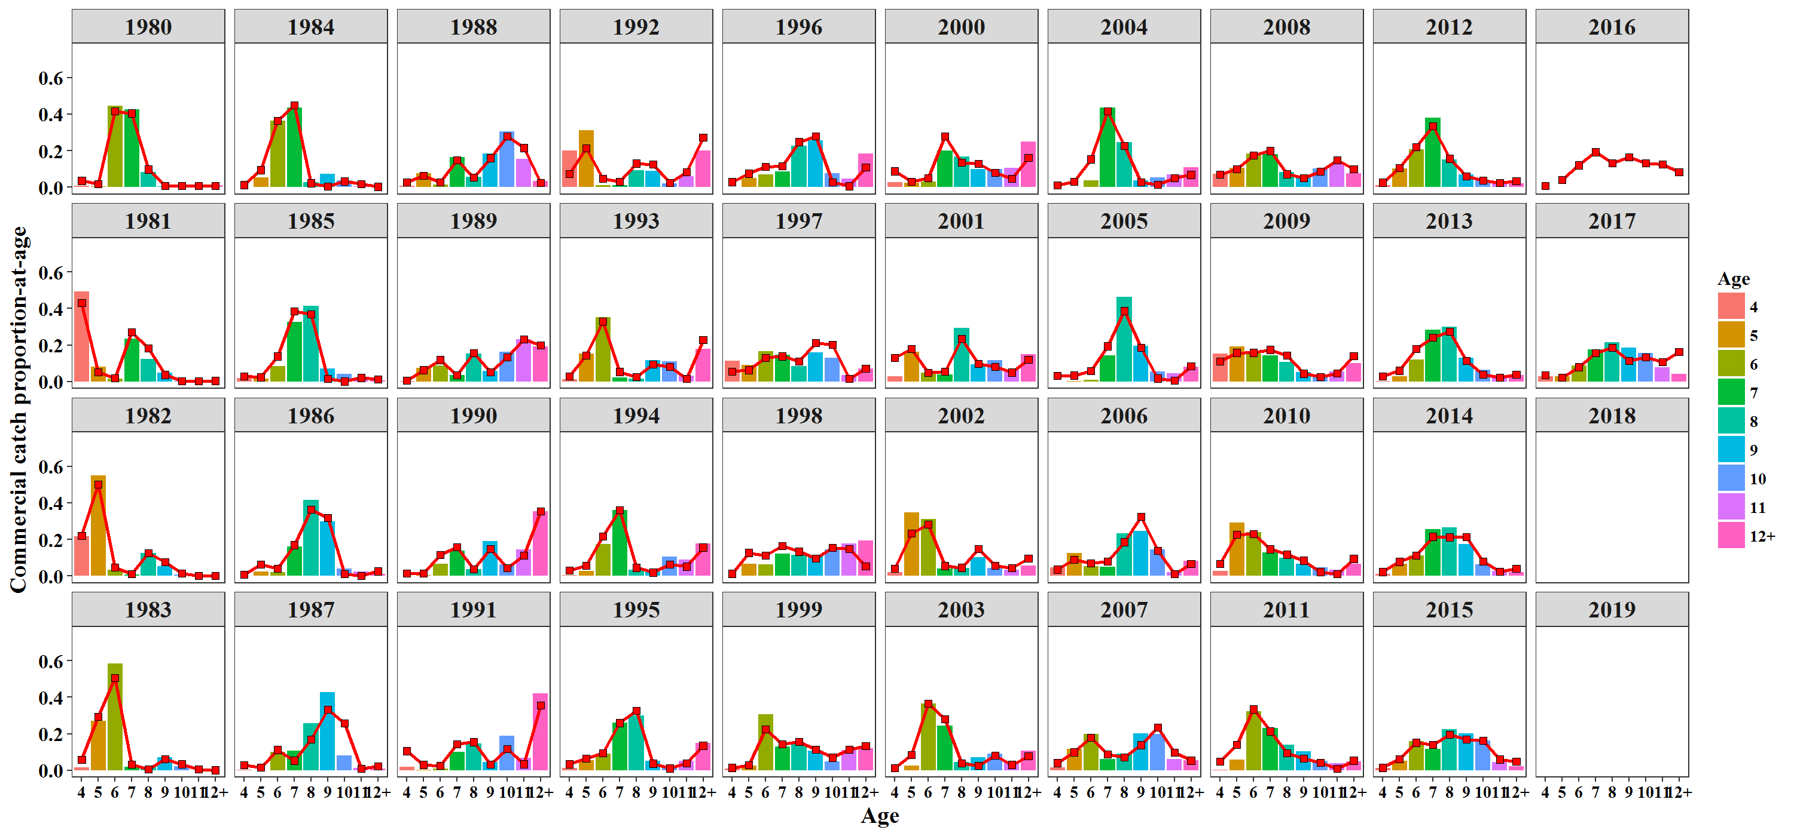
Year | Age | EST | OBS
1980 | 10 | 0.00690868 | 0.00939
1980 | 11 | 0.0069086 | 0.00535
1980 | 12+ | 0.00723121 | 0.01162
1980 | 4 | 0.0359924 | 0.00851
1980 | 5 | 0.0184711 | 0.00576
1980 | 6 | 0.414988 | 0.4451
1980 | 7 | 0.404426 | 0.42655
1980 | 8 | 0.0981663 | 0.08402
1980 | 9 | 0.00690859 | 0.00369
1981 | 10 | 0.00212691 | 0.00172
1981 | 11 | 0.00221667 | 0.00345
1981 | 12+ | 0.00461559 | 0.00079
1981 | 4 | 0.429926 | 0.49296
1981 | 5 | 0.0521443 | 0.08019
1981 | 6 | 0.019562 | 0.0156
1981 | 7 | 0.269519 | 0.23331
1981 | 8 | 0.182286 | 0.12408
1981 | 9 | 0.0376035 | 0.0479
1982 | 10 | 0.0138402 | 0.00862
1982 | 11 | 0.000770164 | 0.00196
1982 | 12+ | 0.00242956 | 0.00147
1982 | 4 | 0.220616 | 0.21655
1982 | 5 | 0.500615 | 0.55116
1982 | 6 | 0.0460859 | 0.03374
1982 | 7 | 0.0121744 | 0.00833
1982 | 8 | 0.126332 | 0.12433
1982 | 9 | 0.077137 | 0.05385
1983 | 10 | 0.0336074 | 0.02296
1983 | 11 | 0.00577154 | 0
1983 | 12+ | 0.000948374 | 0
1983 | 4 | 0.0589279 | 0.01635
1983 | 5 | 0.292148 | 0.26905
1983 | 6 | 0.506056 | 0.58316
1983 | 7 | 0.032923 | 0.01878
1983 | 8 | 0.00687032 | 0.01825
1983 | 9 | 0.062747 | 0.07145
1984 | 10 | 0.0325609 | 0.03704
1984 | 11 | 0.0178037 | 0.00524
1984 | 12+ | 0.00347681 | 0
1984 | 4 | 0.0131579 | 0.00233
1984 | 5 | 0.0947313 | 0.05519
1984 | 6 | 0.36297 | 0.36501
1984 | 7 | 0.448982 | 0.43493
1984 | 8 | 0.0223504 | 0.02603
1984 | 9 | 0.003967 | 0.07423
1985 | 10 | 0.0016829 | 0.04199
1985 | 11 | 0.0212766 | 0.01607
1985 | 12+ | 0.013944 | 0.00551
1985 | 4 | 0.0296517 | 0.01799
1985 | 5 | 0.0244242 | 0.01771
1985 | 6 | 0.138345 | 0.08436
1985 | 7 | 0.384951 | 0.32775
1985 | 8 | 0.369461 | 0.41542
1985 | 9 | 0.016264 | 0.07322
1986 | 10 | 0.0117316 | 0.04197
1986 | 11 | 0.000931247 | 0.02519
1986 | 12+ | 0.0261361 | 0.01099
1986 | 4 | 0.00668139 | 0
1986 | 5 | 0.0636241 | 0.02284
1986 | 6 | 0.041231 | 0.02064
1986 | 7 | 0.169266 | 0.16271
1986 | 8 | 0.363459 | 0.41657
1986 | 9 | 0.316939 | 0.2991
1987 | 10 | 0.258529 | 0.08235
1987 | 11 | 0.00926675 | 0.01242
1987 | 12+ | 0.0213289 | 0.00974
1987 | 4 | 0.0282982 | 0.00235
1987 | 5 | 0.0148591 | 0.00103
1987 | 6 | 0.112018 | 0.10151
1987 | 7 | 0.0531506 | 0.10725
1987 | 8 | 0.16997 | 0.25663
1987 | 9 | 0.33258 | 0.42671
1988 | 10 | 0.278453 | 0.30551
1988 | 11 | 0.215492 | 0.15433
1988 | 12+ | 0.0247585 | 0.03304
1988 | 4 | 0.027246 | 0.00946
1988 | 5 | 0.0645313 | 0.07561
1988 | 6 | 0.0268362 | 0.01574
1988 | 7 | 0.148297 | 0.16535
1988 | 8 | 0.0546521 | 0.05827
1988 | 9 | 0.159734 | 0.1827
1989 | 10 | 0.13482 | 0.16243
1989 | 11 | 0.231916 | 0.23076
1989 | 12+ | 0.200047 | 0.19188
1989 | 4 | 0.00673564 | 0.0015
1989 | 5 | 0.0631853 | 0.07555
1989 | 6 | 0.118574 | 0.08775
1989 | 7 | 0.0362676 | 0.0361
1989 | 8 | 0.156108 | 0.15441
1989 | 9 | 0.0523456 | 0.05962
1990 | 10 | 0.0439128 | 0.06395
1990 | 11 | 0.112333 | 0.14377
1990 | 12+ | 0.354776 | 0.35295
1990 | 4 | 0.0140031 | 0.0008
1990 | 5 | 0.0155188 | 0.00529
1990 | 6 | 0.115297 | 0.06611
1990 | 7 | 0.158435 | 0.13857
1990 | 8 | 0.0376647 | 0.03766
1990 | 9 | 0.148059 | 0.19089
1991 | 10 | 0.116195 | 0.18763
1991 | 11 | 0.0339708 | 0.06863
1991 | 12+ | 0.355169 | 0.42094
1991 | 4 | 0.105719 | 0.02024
1991 | 5 | 0.0302168 | 0.00196
1991 | 6 | 0.0264987 | 0.00836
1991 | 7 | 0.144241 | 0.10201
1991 | 8 | 0.1546 | 0.14502
1991 | 9 | 0.0333885 | 0.04521
1992 | 10 | 0.0238068 | 0.0219
1992 | 11 | 0.0828862 | 0.06056
1992 | 12+ | 0.271463 | 0.20175
1992 | 4 | 0.0732051 | 0.19907
1992 | 5 | 0.213586 | 0.31139
1992 | 6 | 0.0482257 | 0.01238
1992 | 7 | 0.0309069 | 0.01033
1992 | 8 | 0.130164 | 0.0914
1992 | 9 | 0.125757 | 0.09123
1993 | 10 | 0.0802441 | 0.11157
1993 | 11 | 0.0153852 | 0.03157
1993 | 12+ | 0.227457 | 0.18072
1993 | 4 | 0.029358 | 0.01159
1993 | 5 | 0.14405 | 0.1537
1993 | 6 | 0.328974 | 0.35298
1993 | 7 | 0.0535812 | 0.02413
1993 | 8 | 0.0257547 | 0.0152
1993 | 9 | 0.0951952 | 0.11854
1994 | 10 | 0.0626391 | 0.1069
1994 | 11 | 0.05208 | 0.0907
1994 | 12+ | 0.156121 | 0.178
1994 | 4 | 0.0303265 | 0.0045
1994 | 5 | 0.0563446 | 0.0284
1994 | 6 | 0.217389 | 0.1736
1994 | 7 | 0.360181 | 0.3602
1994 | 8 | 0.0453827 | 0.034
1994 | 9 | 0.0195363 | 0.0236
1995 | 10 | 0.011216 | 0.021
1995 | 11 | 0.0388114 | 0.052
1995 | 12+ | 0.135058 | 0.1511
1995 | 4 | 0.0339837 | 0.012
1995 | 5 | 0.0646855 | 0.055
1995 | 6 | 0.0938393 | 0.092
1995 | 7 | 0.259162 | 0.26
1995 | 8 | 0.326543 | 0.301
1995 | 9 | 0.0367013 | 0.053
1996 | 10 | 0.0266565 | 0.076
1996 | 11 | 0.00651221 | 0.046
1996 | 12+ | 0.108439 | 0.184
1996 | 4 | 0.028914 | 0.003
1996 | 5 | 0.0750813 | 0.05
1996 | 6 | 0.111794 | 0.07
1996 | 7 | 0.116896 | 0.088
1996 | 8 | 0.247636 | 0.227
1996 | 9 | 0.278071 | 0.255
1997 | 10 | 0.203255 | 0.13
1997 | 11 | 0.0158528 | 0.036
1997 | 12+ | 0.0707706 | 0.07
1997 | 4 | 0.055869 | 0.1141
1997 | 5 | 0.063548 | 0.091
1997 | 6 | 0.129286 | 0.167
1997 | 7 | 0.1389 | 0.148
1997 | 8 | 0.111472 | 0.086
1997 | 9 | 0.211047 | 0.16
1998 | 10 | 0.155121 | 0.146
1998 | 11 | 0.147425 | 0.179
1998 | 12+ | 0.0523174 | 0.194
1998 | 4 | 0.0127118 | 0.001
1998 | 5 | 0.126599 | 0.068
1998 | 6 | 0.112342 | 0.063
1998 | 7 | 0.163681 | 0.121
1998 | 8 | 0.133774 | 0.115
1998 | 9 | 0.0960286 | 0.113
1999 | 10 | 0.0699752 | 0.048
1999 | 11 | 0.113558 | 0.11
1999 | 12+ | 0.133378 | 0.121
1999 | 4 | 0.0140931 | 0.01
1999 | 5 | 0.0290443 | 0.025
1999 | 6 | 0.225926 | 0.307
1999 | 7 | 0.143522 | 0.129
1999 | 8 | 0.156609 | 0.144
1999 | 9 | 0.113894 | 0.107
2000 | 10 | 0.0804912 | 0.098
2000 | 11 | 0.0476033 | 0.107
2000 | 12+ | 0.160698 | 0.248
2000 | 4 | 0.0883381 | 0.029
2000 | 5 | 0.0311397 | 0.023
2000 | 6 | 0.0500847 | 0.03
2000 | 7 | 0.278597 | 0.199
2000 | 8 | 0.134325 | 0.168
2000 | 9 | 0.128724 | 0.1
2001 | 10 | 0.081172 | 0.116
2001 | 11 | 0.0506162 | 0.066
2001 | 12+ | 0.121762 | 0.15
2001 | 4 | 0.129684 | 0.029
2001 | 5 | 0.178423 | 0.164
2001 | 6 | 0.0490481 | 0.05
2001 | 7 | 0.0563082 | 0.04
2001 | 8 | 0.234602 | 0.292
2001 | 9 | 0.0983853 | 0.094
2002 | 10 | 0.0561882 | 0.044
2002 | 11 | 0.0438413 | 0.035
2002 | 12+ | 0.0968932 | 0.056
2002 | 4 | 0.0393506 | 0.02
2002 | 5 | 0.233954 | 0.346
2002 | 6 | 0.281704 | 0.312
2002 | 7 | 0.0552773 | 0.04
2002 | 8 | 0.0450978 | 0.043
2002 | 9 | 0.147694 | 0.104
2003 | 10 | 0.0816514 | 0.092
2003 | 11 | 0.0303309 | 0.05
2003 | 12+ | 0.078532 | 0.106
2003 | 4 | 0.0121284 | 0.001
2003 | 5 | 0.0855935 | 0.027
2003 | 6 | 0.365196 | 0.365
2003 | 7 | 0.280565 | 0.245
2003 | 8 | 0.0394851 | 0.044
2003 | 9 | 0.0265182 | 0.07
2004 | 10 | 0.0147725 | 0.054
2004 | 11 | 0.0510949 | 0.071
2004 | 12+ | 0.0686677 | 0.109
2004 | 4 | 0.0123842 | 0.001
2004 | 5 | 0.030271 | 0.003
2004 | 6 | 0.153174 | 0.038
2004 | 7 | 0.415499 | 0.437
2004 | 8 | 0.227499 | 0.246
2004 | 9 | 0.0266374 | 0.036
2005 | 10 | 0.0175274 | 0.05531
2005 | 11 | 0.00693221 | 0.04605
2005 | 12+ | 0.0840215 | 0.0812
2005 | 4 | 0.0314804 | 0.00136
2005 | 5 | 0.0340045 | 0.00409
2005 | 6 | 0.0597179 | 0.01008
2005 | 7 | 0.193768 | 0.14332
2005 | 8 | 0.386824 | 0.46185
2005 | 9 | 0.185723 | 0.19673
2006 | 10 | 0.138175 | 0.14365
2006 | 11 | 0.0110287 | 0.01988
2006 | 12+ | 0.0657536 | 0.08424
2006 | 4 | 0.0357746 | 0.04665
2006 | 5 | 0.0906316 | 0.12457
2006 | 6 | 0.070148 | 0.05195
2006 | 7 | 0.0785728 | 0.05062
2006 | 8 | 0.185638 | 0.23271
2006 | 9 | 0.324278 | 0.24516
2007 | 10 | 0.23424 | 0.19872
2007 | 11 | 0.0982462 | 0.06099
2007 | 12+ | 0.0534634 | 0.05411
2007 | 4 | 0.0402635 | 0.01574
2007 | 5 | 0.0991817 | 0.11559
2007 | 6 | 0.178025 | 0.19774
2007 | 7 | 0.0878146 | 0.06247
2007 | 8 | 0.0704975 | 0.09247
2007 | 9 | 0.138269 | 0.20216
2008 | 10 | 0.0866441 | 0.10312
2008 | 11 | 0.149588 | 0.12743
2008 | 12+ | 0.0986599 | 0.07721
2008 | 4 | 0.0701771 | 0.07364
2008 | 5 | 0.0988283 | 0.10568
2008 | 6 | 0.17444 | 0.18512
2008 | 7 | 0.199377 | 0.18028
2008 | 8 | 0.0721002 | 0.08364
2008 | 9 | 0.0501851 | 0.06244
2009 | 10 | 0.0260344 | 0.03942
2009 | 11 | 0.045771 | 0.05643
2009 | 12+ | 0.139127 | 0.10041
2009 | 4 | 0.111236 | 0.15302
2009 | 5 | 0.157999 | 0.19276
2009 | 6 | 0.158432 | 0.15252
2009 | 7 | 0.17429 | 0.14288
2009 | 8 | 0.142995 | 0.10778
2009 | 9 | 0.0441159 | 0.05102
2010 | 10 | 0.0224142 | 0.04555
2010 | 11 | 0.0120388 | 0.0327
2010 | 12+ | 0.0941175 | 0.06756
2010 | 4 | 0.0675403 | 0.02741
2010 | 5 | 0.225906 | 0.2926
2010 | 6 | 0.229808 | 0.23837
2010 | 7 | 0.146645 | 0.12809
2010 | 8 | 0.117235 | 0.10011
2010 | 9 | 0.0842952 | 0.0676
2011 | 10 | 0.0427709 | 0.05265
2011 | 11 | 0.00980664 | 0.03962
2011 | 12+ | 0.0530236 | 0.04771
2011 | 4 | 0.0481139 | 0.00133
2011 | 5 | 0.140285 | 0.05694
2011 | 6 | 0.334182 | 0.32392
2011 | 7 | 0.213542 | 0.23158
2011 | 8 | 0.0938935 | 0.1412
2011 | 9 | 0.0643815 | 0.10504
2012 | 10 | 0.0373275 | 0.03831
2012 | 11 | 0.0244945 | 0.01987
2012 | 12+ | 0.0352299 | 0.02065
2012 | 4 | 0.0256592 | 0.01022
2012 | 5 | 0.105364 | 0.10275
2012 | 6 | 0.220294 | 0.20557
2012 | 7 | 0.335201 | 0.37861
2012 | 8 | 0.156655 | 0.15311
2012 | 9 | 0.0597753 | 0.07043
2013 | 10 | 0.0386879 | 0.06552
2013 | 11 | 0.0237944 | 0.02893
2013 | 12+ | 0.0379935 | 0.03578
2013 | 4 | 0.0301069 | 0.00268
2013 | 5 | 0.0605278 | 0.02991
2013 | 6 | 0.179273 | 0.12162
2013 | 7 | 0.242178 | 0.28362
2013 | 8 | 0.273812 | 0.30145
2013 | 9 | 0.113627 | 0.13047
2014 | 10 | 0.079936 | 0.06416
2014 | 11 | 0.0247701 | 0.0286
2014 | 12+ | 0.0407503 | 0.02076
2014 | 4 | 0.0226011 | 0.01071
2014 | 5 | 0.0782494 | 0.06764
2014 | 6 | 0.113109 | 0.11257
2014 | 7 | 0.214998 | 0.25541
2014 | 8 | 0.211949 | 0.26611
2014 | 9 | 0.213636 | 0.17402
2015 | 10 | 0.16172 | 0.16195
2015 | 11 | 0.0597005 | 0.04669
2015 | 12+ | 0.0484505 | 0.02193
2015 | 4 | 0.0143898 | 0.01176
2015 | 5 | 0.0609038 | 0.05249
2015 | 6 | 0.151343 | 0.15952
2015 | 7 | 0.139189 | 0.11734
2015 | 8 | 0.194754 | 0.22619
2015 | 9 | 0.16955 | 0.20211
2016 | 10 | 0.133117
2016 | 11 | 0.1255
2016 | 12+ | 0.0826285
2016 | 4 | 0.00853099
2016 | 5 | 0.0398146
2016 | 6 | 0.121029
2016 | 7 | 0.192842
2016 | 8 | 0.131196
2016 | 9 | 0.165341
2017 | 10 | 0.133857 | 0.1556
2017 | 11 | 0.106426 | 0.07893
2017 | 12+ | 0.16349 | 0.04226
2017 | 4 | 0.0356517 | 0.02819
2017 | 5 | 0.0236913 | 0.02755
2017 | 6 | 0.0797041 | 0.08891
2017 | 7 | 0.156547 | 0.17706
2017 | 8 | 0.186079 | 0.21552
2017 | 9 | 0.114554 | 0.18599
2016 | 4
2017 | 4
2018 | 4
2019 | 4

Figure 7
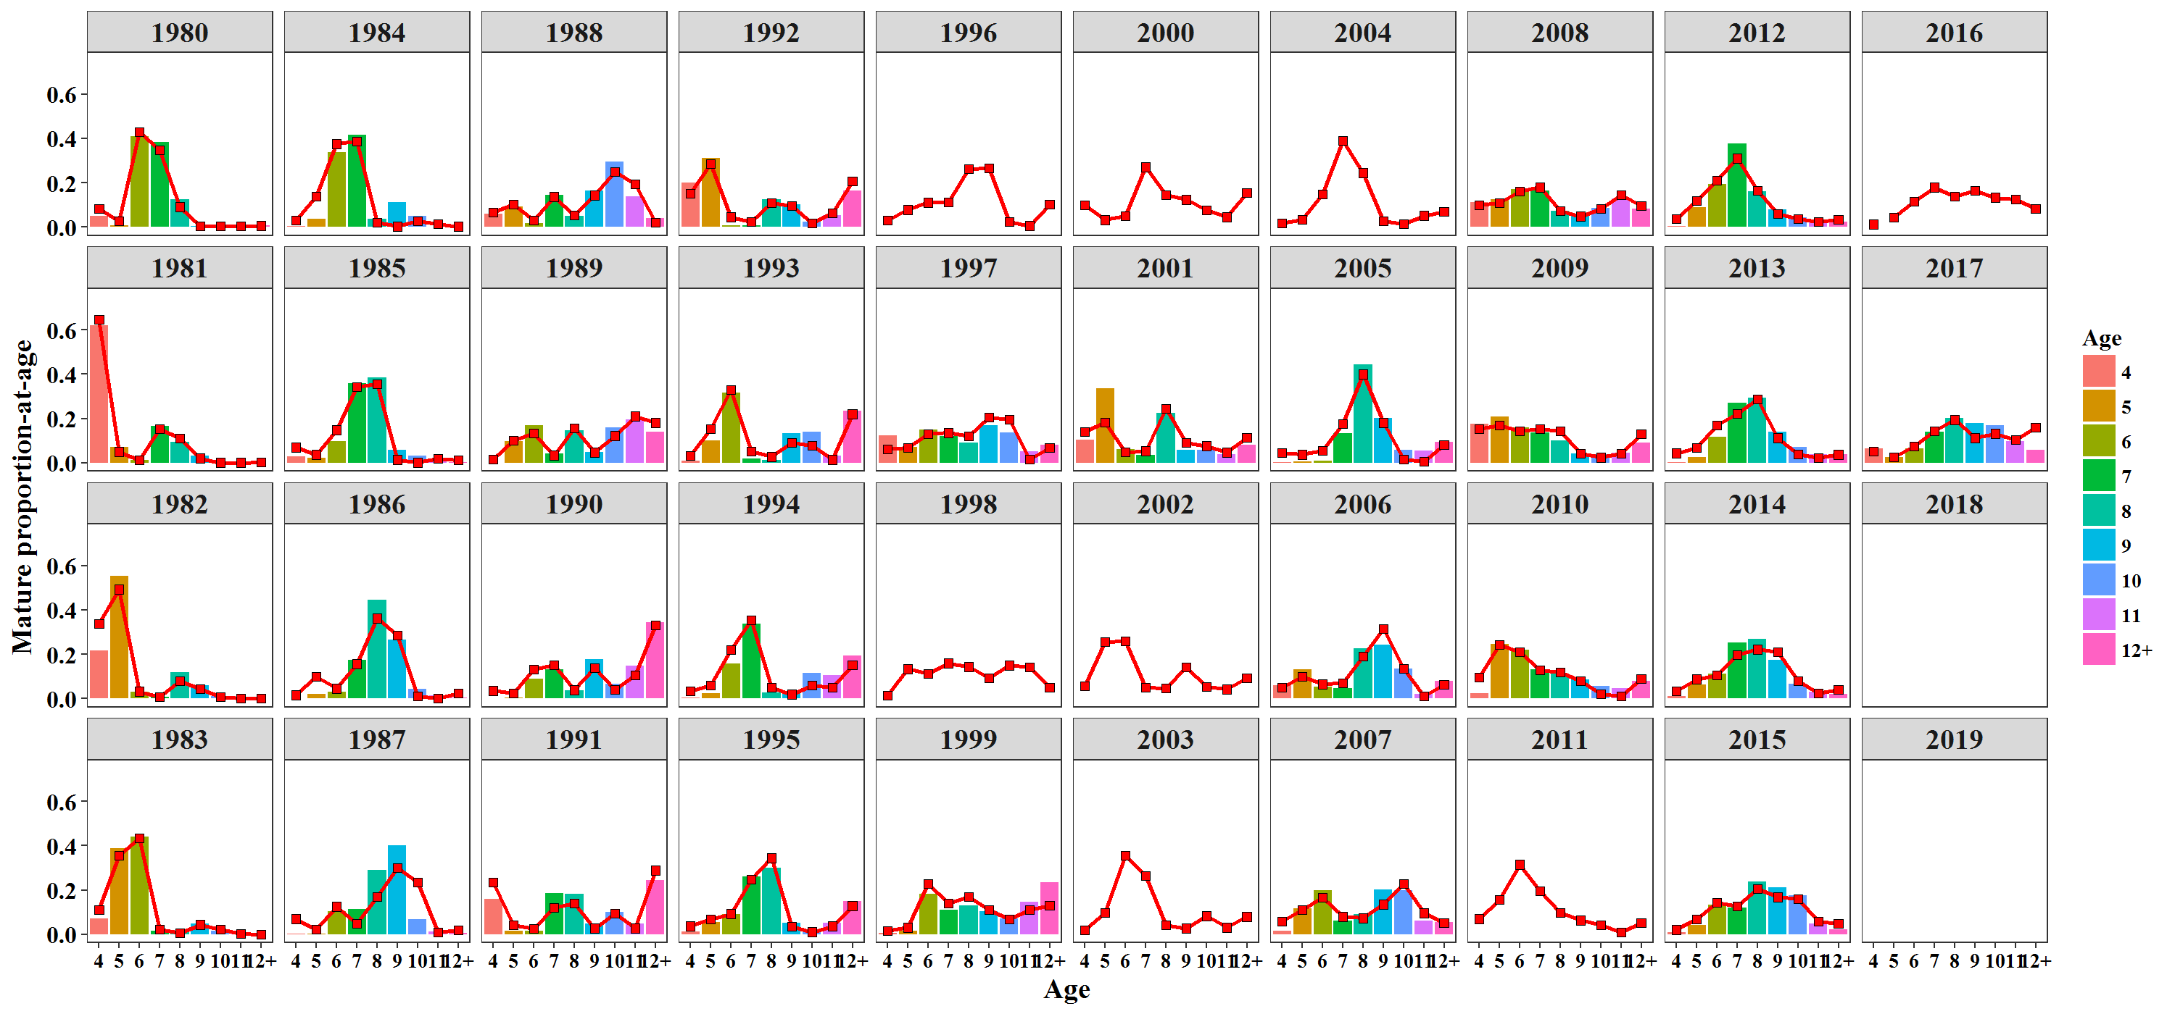
Year | Age | EST | OBS
1980 | 10 | 0.00578537 | 0.0033
1980 | 11 | 0.0057853 | 0.00439
1980 | 12+ | 0.00605547 | 0.00738
1980 | 4 | 0.082123 | 0.05064
1980 | 5 | 0.0270811 | 0.00867
1980 | 6 | 0.428787 | 0.4107
1980 | 7 | 0.347405 | 0.38491
1980 | 8 | 0.0911919 | 0.12455
1980 | 9 | 0.0057853 | 0.00546
1981 | 10 | 0.00117373 | 0.00055
1981 | 11 | 0.00122327 | 0.00243
1981 | 12+ | 0.0025471 | 0.00019
1981 | 4 | 0.646443 | 0.61856
1981 | 5 | 0.0503804 | 0.07119
1981 | 6 | 0.0133199 | 0.01162
1981 | 7 | 0.15257 | 0.16727
1981 | 8 | 0.111591 | 0.09441
1981 | 9 | 0.0207514 | 0.03378
1982 | 10 | 0.00776992 | 0.00955
1982 | 11 | 0.000432371 | 0.00198
1982 | 12+ | 0.00136396 | 0.00153
1982 | 4 | 0.337464 | 0.21626
1982 | 5 | 0.492054 | 0.55225
1982 | 6 | 0.0319236 | 0.03052
1982 | 7 | 0.00701103 | 0.0088
1982 | 8 | 0.0786765 | 0.11906
1982 | 9 | 0.0433048 | 0.06005
1983 | 10 | 0.0233234 | 0.01563
1983 | 11 | 0.00400543 | 0.00253
1983 | 12+ | 0.000658168 | 0.00094
1983 | 4 | 0.111428 | 0.07018
1983 | 5 | 0.354974 | 0.38823
1983 | 6 | 0.433338 | 0.44052
1983 | 7 | 0.0234378 | 0.01587
1983 | 8 | 0.00528922 | 0.01657
1983 | 9 | 0.0435462 | 0.04953
1984 | 10 | 0.0272994 | 0.0515
1984 | 11 | 0.0149268 | 0.00204
1984 | 12+ | 0.00291499 | 0.00002
1984 | 4 | 0.030058 | 0.00522
1984 | 5 | 0.139055 | 0.0387
1984 | 6 | 0.37549 | 0.33761
1984 | 7 | 0.386143 | 0.41499
1984 | 8 | 0.0207874 | 0.03735
1984 | 9 | 0.00332598 | 0.11258
1985 | 10 | 0.00146065 | 0.03214
1985 | 11 | 0.0184668 | 0.01158
1985 | 12+ | 0.0121025 | 0.00188
1985 | 4 | 0.0701224 | 0.03056
1985 | 5 | 0.0371147 | 0.02389
1985 | 6 | 0.148157 | 0.09772
1985 | 7 | 0.342733 | 0.35921
1985 | 8 | 0.355726 | 0.38539
1985 | 9 | 0.0141162 | 0.05762
1986 | 10 | 0.0105402 | 0.04515
1986 | 11 | 0.000836673 | 0.01303
1986 | 12+ | 0.0234818 | 0.005
1986 | 4 | 0.016356 | 0
1986 | 5 | 0.10008 | 0.02007
1986 | 6 | 0.0457073 | 0.02978
1986 | 7 | 0.155999 | 0.1745
1986 | 8 | 0.362246 | 0.44612
1986 | 9 | 0.284752 | 0.26634
1987 | 10 | 0.233728 | 0.06676
1987 | 11 | 0.00837777 | 0.01147
1987 | 12+ | 0.0192828 | 0.0058
1987 | 4 | 0.0697071 | 0.00224
1987 | 5 | 0.0235196 | 0.00411
1987 | 6 | 0.124956 | 0.10363
1987 | 7 | 0.0492913 | 0.11413
1987 | 8 | 0.170463 | 0.28996
1987 | 9 | 0.300675 | 0.40189
1988 | 10 | 0.250516 | 0.29443
1988 | 11 | 0.193872 | 0.13703
1988 | 12+ | 0.0222745 | 0.03958
1988 | 4 | 0.0667888 | 0.05897
1988 | 5 | 0.101646 | 0.09228
1988 | 6 | 0.0297904 | 0.01728
1988 | 7 | 0.13686 | 0.14664
1988 | 8 | 0.0545442 | 0.05055
1988 | 9 | 0.143708 | 0.16324
1989 | 10 | 0.122033 | 0.16013
1989 | 11 | 0.209919 | 0.19524
1989 | 12+ | 0.181073 | 0.1399
1989 | 4 | 0.0166118 | 0.00091
1989 | 5 | 0.100132 | 0.09622
1989 | 6 | 0.132428 | 0.16884
1989 | 7 | 0.0336744 | 0.04128
1989 | 8 | 0.156749 | 0.1482
1989 | 9 | 0.0473806 | 0.04926
1990 | 10 | 0.0410027 | 0.06511
1990 | 11 | 0.104889 | 0.14819
1990 | 12+ | 0.331265 | 0.34462
1990 | 4 | 0.0356258 | 0.00189
1990 | 5 | 0.0253698 | 0.00532
1990 | 6 | 0.132834 | 0.08946
1990 | 7 | 0.151752 | 0.13213
1990 | 8 | 0.0390134 | 0.03683
1990 | 9 | 0.138248 | 0.17645
1991 | 10 | 0.0943265 | 0.102
1991 | 11 | 0.0275773 | 0.047
1991 | 12+ | 0.288324 | 0.243
1991 | 4 | 0.23384 | 0.161
1991 | 5 | 0.0429467 | 0.015
1991 | 6 | 0.0265424 | 0.016
1991 | 7 | 0.120115 | 0.184
1991 | 8 | 0.139224 | 0.182
1991 | 9 | 0.0271045 | 0.05
1992 | 10 | 0.0181327 | 0.026
1992 | 11 | 0.0631311 | 0.054
1992 | 12+ | 0.206762 | 0.166
1992 | 4 | 0.151922 | 0.201
1992 | 5 | 0.284819 | 0.31
1992 | 6 | 0.0453221 | 0.008
1992 | 7 | 0.0241479 | 0.009
1992 | 8 | 0.109979 | 0.124
1992 | 9 | 0.0957838 | 0.102
1993 | 10 | 0.0776554 | 0.14
1993 | 11 | 0.0148888 | 0.033
1993 | 12+ | 0.220119 | 0.236
1993 | 4 | 0.0329225 | 0.01
1993 | 5 | 0.152302 | 0.102
1993 | 6 | 0.330128 | 0.316
1993 | 7 | 0.0522119 | 0.018
1993 | 8 | 0.0276485 | 0.012
1993 | 9 | 0.0921241 | 0.132
1994 | 10 | 0.0610803 | 0.116
1994 | 11 | 0.050784 | 0.107
1994 | 12+ | 0.152236 | 0.193
1994 | 4 | 0.0342677 | 0.003
1994 | 5 | 0.0600262 | 0.025
1994 | 6 | 0.219814 | 0.159
1994 | 7 | 0.353651 | 0.338
1994 | 8 | 0.0490912 | 0.029
1994 | 9 | 0.0190501 | 0.03
1995 | 10 | 0.0106581 | 0.021
1995 | 11 | 0.0368809 | 0.052
1995 | 12+ | 0.12834 | 0.1511
1995 | 4 | 0.0374214 | 0.012
1995 | 5 | 0.0671556 | 0.055
1995 | 6 | 0.0924675 | 0.092
1995 | 7 | 0.247977 | 0.26
1995 | 8 | 0.344223 | 0.301
1995 | 9 | 0.0348757 | 0.053
1996 | 10 | 0.025544
1996 | 11 | 0.00624042
1996 | 12+ | 0.103913
1996 | 4 | 0.0321072
1996 | 5 | 0.0786051
1996 | 6 | 0.111088
1996 | 7 | 0.112794
1996 | 8 | 0.263243
1996 | 9 | 0.266465
1997 | 10 | 0.196823 | 0.138
1997 | 11 | 0.0153511 | 0.052
1997 | 12+ | 0.0685311 | 0.082
1997 | 4 | 0.0626922 | 0.1251
1997 | 5 | 0.067231 | 0.07
1997 | 6 | 0.129822 | 0.149
1997 | 7 | 0.135437 | 0.12
1997 | 8 | 0.119745 | 0.091
1997 | 9 | 0.204368 | 0.171
1998 | 10 | 0.150072
1998 | 11 | 0.142626
1998 | 12+ | 0.0506145
1998 | 4 | 0.014251
1998 | 5 | 0.133812
1998 | 6 | 0.112703
1998 | 7 | 0.159451
1998 | 8 | 0.143568
1998 | 9 | 0.092903
1999 | 10 | 0.0678455 | 0.071
1999 | 11 | 0.110102 | 0.145
1999 | 12+ | 0.129319 | 0.235
1999 | 4 | 0.0158341 | 0.005
1999 | 5 | 0.030766 | 0.017
1999 | 6 | 0.227146 | 0.182
1999 | 7 | 0.140118 | 0.109
1999 | 8 | 0.168442 | 0.129
1999 | 9 | 0.110428 | 0.105
2000 | 10 | 0.077741
2000 | 11 | 0.0459768
2000 | 12+ | 0.155207
2000 | 4 | 0.0988686
2000 | 5 | 0.0328587
2000 | 6 | 0.0501614
2000 | 7 | 0.270942
2000 | 8 | 0.143918
2000 | 9 | 0.124326
2001 | 10 | 0.0762212 | 0.059
2001 | 11 | 0.0475291 | 0.039
2001 | 12+ | 0.114336 | 0.08
2001 | 4 | 0.141112 | 0.105
2001 | 5 | 0.183043 | 0.336
2001 | 6 | 0.0477588 | 0.062
2001 | 7 | 0.0532402 | 0.036
2001 | 8 | 0.244376 | 0.225
2001 | 9 | 0.0923846 | 0.059
2002 | 10 | 0.0542552
2002 | 11 | 0.0423331
2002 | 12+ | 0.0935599
2002 | 4 | 0.0559431
2002 | 5 | 0.255675
2002 | 6 | 0.259998
2002 | 7 | 0.0494626
2002 | 8 | 0.0461599
2002 | 9 | 0.142613
2003 | 10 | 0.0830907
2003 | 11 | 0.0308655
2003 | 12+ | 0.0799163
2003 | 4 | 0.0181715
2003 | 5 | 0.0985806
2003 | 6 | 0.355218
2003 | 7 | 0.264579
2003 | 8 | 0.0425927
2003 | 9 | 0.0269856
2004 | 10 | 0.0149782
2004 | 11 | 0.0518064
2004 | 12+ | 0.0696239
2004 | 4 | 0.0184873
2004 | 5 | 0.0347372
2004 | 6 | 0.148447
2004 | 7 | 0.3904
2004 | 8 | 0.244512
2004 | 9 | 0.0270083
2005 | 10 | 0.0170879 | 0.05751
2005 | 11 | 0.00675837 | 0.05427
2005 | 12+ | 0.0819145 | 0.09396
2005 | 4 | 0.0451865 | 0.00162
2005 | 5 | 0.0375205 | 0.00527
2005 | 6 | 0.0556487 | 0.00972
2005 | 7 | 0.17506 | 0.13244
2005 | 8 | 0.399758 | 0.44269
2005 | 9 | 0.181066 | 0.20251
2006 | 10 | 0.134005 | 0.13483
2006 | 11 | 0.0106958 | 0.02112
2006 | 12+ | 0.0637689 | 0.08045
2006 | 4 | 0.0510815 | 0.0591
2006 | 5 | 0.099479 | 0.13236
2006 | 6 | 0.0650258 | 0.05303
2006 | 7 | 0.0706147 | 0.04719
2006 | 8 | 0.19084 | 0.22787
2006 | 9 | 0.31449 | 0.24292
2007 | 10 | 0.229194 | 0.19872
2007 | 11 | 0.0961297 | 0.06099
2007 | 12+ | 0.0523117 | 0.05411
2007 | 4 | 0.0580033 | 0.01574
2007 | 5 | 0.109834 | 0.11559
2007 | 6 | 0.166496 | 0.19774
2007 | 7 | 0.0796236 | 0.06247
2007 | 8 | 0.0731187 | 0.09247
2007 | 9 | 0.13529 | 0.20216
2008 | 10 | 0.0842699 | 0.08625
2008 | 11 | 0.145489 | 0.1273
2008 | 12+ | 0.0959564 | 0.0824
2008 | 4 | 0.100491 | 0.11181
2008 | 5 | 0.108787 | 0.12569
2008 | 6 | 0.162166 | 0.17187
2008 | 7 | 0.179698 | 0.16475
2008 | 8 | 0.0743332 | 0.07444
2008 | 9 | 0.04881 | 0.05341
2009 | 10 | 0.0245107 | 0.03747
2009 | 11 | 0.0430922 | 0.04689
2009 | 12+ | 0.130984 | 0.09131
2009 | 4 | 0.154188 | 0.17568
2009 | 5 | 0.168355 | 0.2073
2009 | 6 | 0.142571 | 0.15879
2009 | 7 | 0.15206 | 0.13536
2009 | 8 | 0.142706 | 0.10019
2009 | 9 | 0.0415339 | 0.04282
2010 | 10 | 0.0213916 | 0.05542
2010 | 11 | 0.0114895 | 0.04559
2010 | 12+ | 0.0898235 | 0.08065
2010 | 4 | 0.0949033 | 0.02504
2010 | 5 | 0.244011 | 0.24759
2010 | 6 | 0.209636 | 0.2185
2010 | 7 | 0.129694 | 0.13078
2010 | 8 | 0.118602 | 0.11098
2010 | 9 | 0.0804494 | 0.08546
2011 | 10 | 0.0420795
2011 | 11 | 0.00964812
2011 | 12+ | 0.0521665
2011 | 4 | 0.0696933
2011 | 5 | 0.156206
2011 | 6 | 0.314258
2011 | 7 | 0.194688
2011 | 8 | 0.0979199
2011 | 9 | 0.0633408
2012 | 10 | 0.0372864 | 0.04464
2012 | 11 | 0.0244676 | 0.02313
2012 | 12+ | 0.0351912 | 0.02424
2012 | 4 | 0.0377367 | 0.00638
2012 | 5 | 0.119118 | 0.08815
2012 | 6 | 0.210332 | 0.19335
2012 | 7 | 0.310285 | 0.37846
2012 | 8 | 0.165874 | 0.16241
2012 | 9 | 0.0597095 | 0.07878
2013 | 10 | 0.0381931 | 0.07229
2013 | 11 | 0.02349 | 0.03836
2013 | 12+ | 0.0375076 | 0.03946
2013 | 4 | 0.0437597 | 0.00199
2013 | 5 | 0.0676279 | 0.02543
2013 | 6 | 0.169163 | 0.11724
2013 | 7 | 0.221552 | 0.27221
2013 | 8 | 0.286533 | 0.29319
2013 | 9 | 0.112173 | 0.13985
2014 | 10 | 0.0789142 | 0.0665
2014 | 11 | 0.0244535 | 0.03005
2014 | 12+ | 0.0402294 | 0.02109
2014 | 4 | 0.0328504 | 0.01116
2014 | 5 | 0.087429 | 0.06189
2014 | 6 | 0.106731 | 0.11094
2014 | 7 | 0.196689 | 0.25409
2014 | 8 | 0.221798 | 0.2701
2014 | 9 | 0.210905 | 0.17419
2015 | 10 | 0.160178 | 0.1749
2015 | 11 | 0.0591315 | 0.04977
2015 | 12+ | 0.0479888 | 0.02103
2015 | 4 | 0.0209844 | 0.00894
2015 | 5 | 0.0682727 | 0.04118
2015 | 6 | 0.14328 | 0.13389
2015 | 7 | 0.127755 | 0.11987
2015 | 8 | 0.204475 | 0.23922
2015 | 9 | 0.167934 | 0.21118
2016 | 10 | 0.133429
2016 | 11 | 0.125793
2016 | 12+ | 0.0828217
2016 | 4 | 0.0125896
2016 | 5 | 0.0451668
2016 | 6 | 0.115954
2016 | 7 | 0.179122
2016 | 8 | 0.139395
2016 | 9 | 0.165728
2017 | 10 | 0.131732 | 0.16795
2017 | 11 | 0.104737 | 0.09866
2017 | 12+ | 0.160894 | 0.05803
2017 | 4 | 0.0516569 | 0.0643
2017 | 5 | 0.0263877 | 0.02481
2017 | 6 | 0.0749741 | 0.06601
2017 | 7 | 0.142767 | 0.13929
2017 | 8 | 0.194115 | 0.20231
2017 | 9 | 0.112736 | 0.17864
2016 | 4
2017 | 4
2018 | 4
2019 | 4

Figure 8
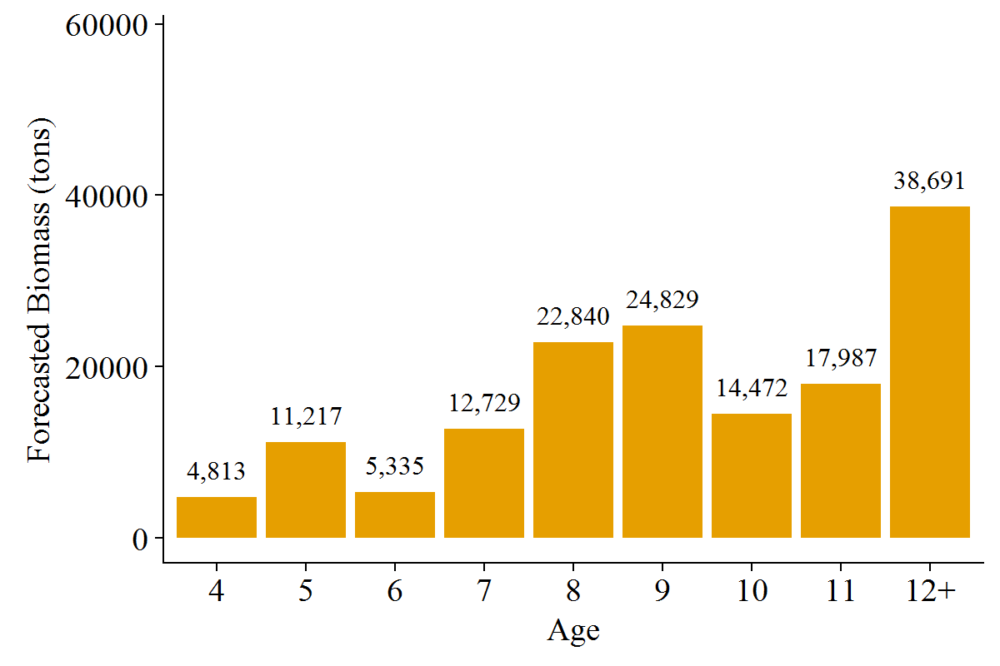
Age2 | for_mat_baa_st | for_mat_b_prop
4 | 4813 | 0.0314748
5 | 11217 | 0.0733559
6 | 5335 | 0.0348862
7 | 12729 | 0.0832418
8 | 22840 | 0.149369
9 | 24829 | 0.162373
10 | 14472 | 0.0946424
11 | 17987 | 0.117627
12+ | 38691 | 0.253029

Figure 9
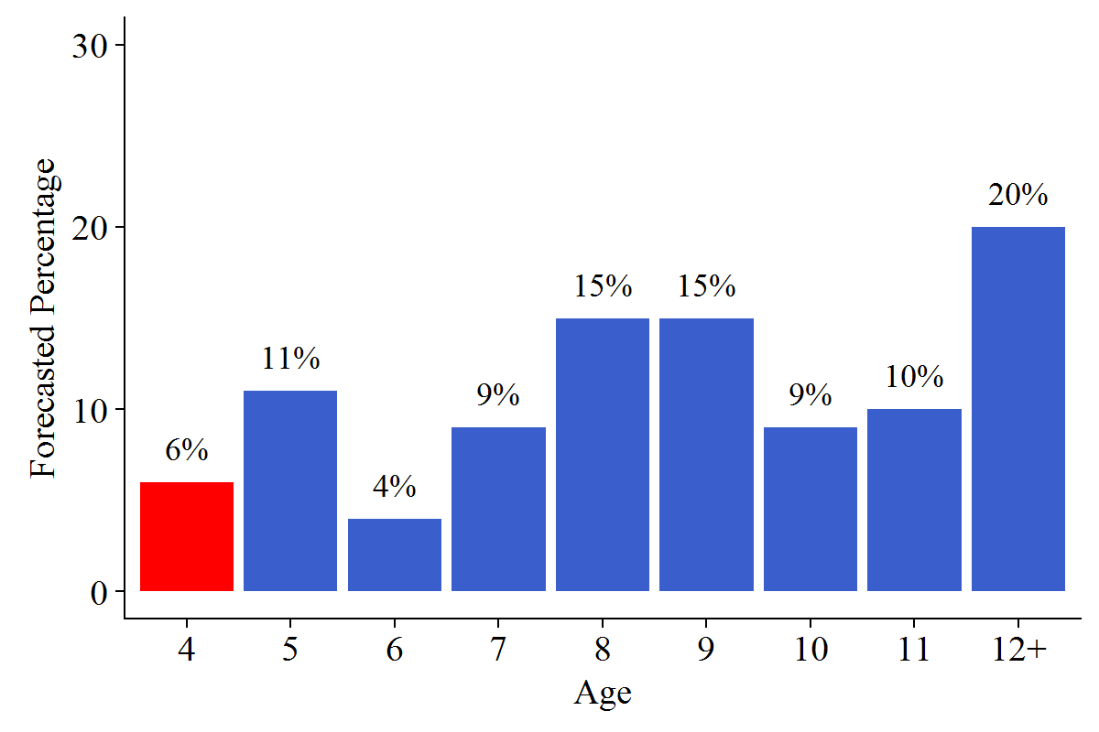
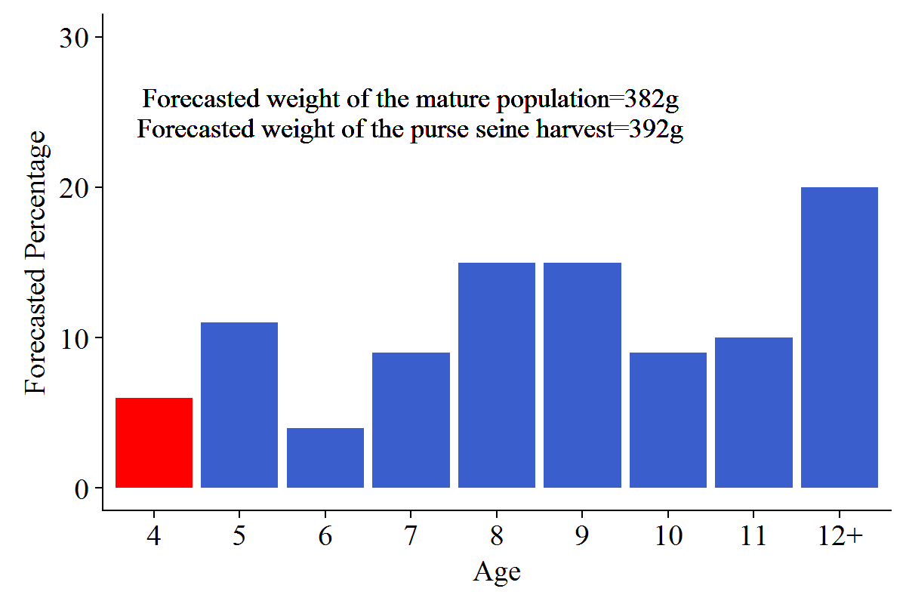
Age2 | for_mat_prop | Percentage2
4 | 0.058107 | 0.06
5 | 0.108655 | 0.11
6 | 0.0438547 | 0.04
7 | 0.0919393 | 0.09
8 | 0.153034 | 0.15
9 | 0.154356 | 0.15
10 | 0.0873618 | 0.09
11 | 0.101242 | 0.1
12+ | 0.201449 | 0.2

Figure 10
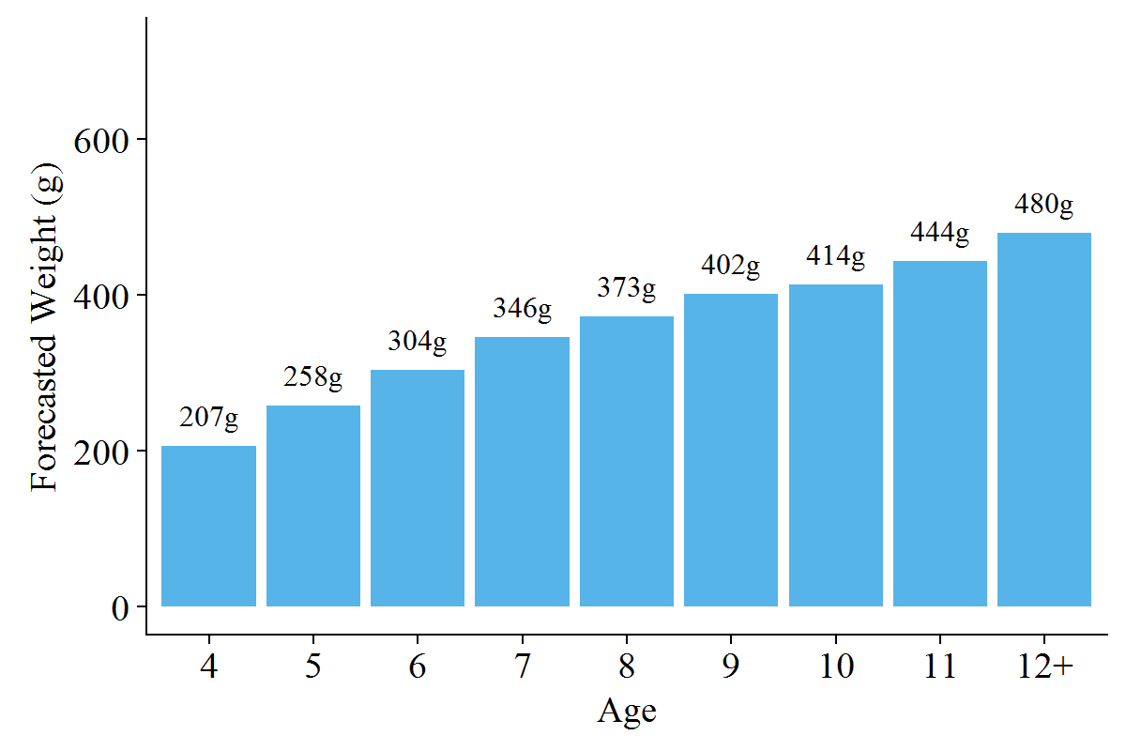
Age2 | fw_a_a
4 | 207
5 | 258
6 | 304
7 | 346
8 | 373
9 | 402
10 | 414
11 | 444
12+ | 480

Figure 11
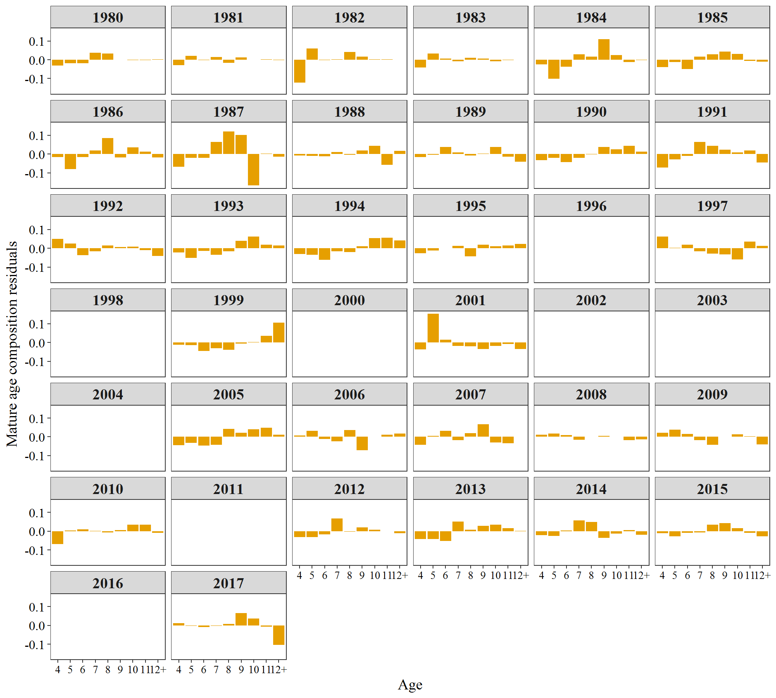
Year | Age | FREQ | Variable
1980 | 4 | -0.0315 | Estimated
1981 | 4 | -0.0279 | Estimated
1982 | 4 | -0.1212 | Estimated
1983 | 4 | -0.0412 | Estimated
1984 | 4 | -0.0248 | Estimated
1985 | 4 | -0.0396 | Estimated
1986 | 4 | -0.0164 | Estimated
1987 | 4 | -0.0675 | Estimated
1988 | 4 | -0.0078 | Estimated
1989 | 4 | -0.0157 | Estimated
1990 | 4 | -0.0337 | Estimated
1991 | 4 | -0.0728 | Estimated
1992 | 4 | 0.0491 | Estimated
1993 | 4 | -0.0229 | Estimated
1994 | 4 | -0.0313 | Estimated
1995 | 4 | -0.0254 | Estimated
1996 | 4 | 0 | Estimated
1997 | 4 | 0.0624 | Estimated
1998 | 4 | 0 | Estimated
1999 | 4 | -0.0108 | Estimated
2000 | 4 | 0 | Estimated
2001 | 4 | -0.0361 | Estimated
2002 | 4 | 0 | Estimated
2003 | 4 | 0 | Estimated
2004 | 4 | 0 | Estimated
2005 | 4 | -0.0436 | Estimated
2006 | 4 | 0.008 | Estimated
2007 | 4 | -0.0423 | Estimated
2008 | 4 | 0.0113 | Estimated
2009 | 4 | 0.0215 | Estimated
2010 | 4 | -0.0699 | Estimated
2011 | 4 | 0 | Estimated
2012 | 4 | -0.0314 | Estimated
2013 | 4 | -0.0418 | Estimated
2014 | 4 | -0.0217 | Estimated
2015 | 4 | -0.012 | Estimated
2016 | 4 | 0 | Estimated
2017 | 4 | 0.0126 | Estimated
1980 | 5 | -0.0184 | Estimated
1981 | 5 | 0.0208 | Estimated
1982 | 5 | 0.0602 | Estimated
1983 | 5 | 0.0333 | Estimated
1984 | 5 | -0.1004 | Estimated
1985 | 5 | -0.0132 | Estimated
1986 | 5 | -0.08 | Estimated
1987 | 5 | -0.0194 | Estimated
1988 | 5 | -0.0094 | Estimated
1989 | 5 | -0.0039 | Estimated
1990 | 5 | -0.02 | Estimated
1991 | 5 | -0.0279 | Estimated
1992 | 5 | 0.0252 | Estimated
1993 | 5 | -0.0503 | Estimated
1994 | 5 | -0.035 | Estimated
1995 | 5 | -0.0122 | Estimated
1996 | 5 | 0 | Estimated
1997 | 5 | 0.0028 | Estimated
1998 | 5 | 0 | Estimated
1999 | 5 | -0.0138 | Estimated
2000 | 5 | 0 | Estimated
2001 | 5 | 0.153 | Estimated
2002 | 5 | 0 | Estimated
2003 | 5 | 0 | Estimated
2004 | 5 | 0 | Estimated
2005 | 5 | -0.0323 | Estimated
2006 | 5 | 0.0329 | Estimated
2007 | 5 | 0.0058 | Estimated
2008 | 5 | 0.0169 | Estimated
2009 | 5 | 0.0389 | Estimated
2010 | 5 | 0.0036 | Estimated
2011 | 5 | 0 | Estimated
2012 | 5 | -0.031 | Estimated
2013 | 5 | -0.0422 | Estimated
2014 | 5 | -0.0255 | Estimated
2015 | 5 | -0.0271 | Estimated
2016 | 5 | 0 | Estimated
2017 | 5 | -0.0016 | Estimated
1980 | 6 | -0.0181 | Estimated
1981 | 6 | -0.0017 | Estimated
1982 | 6 | -0.0014 | Estimated
1983 | 6 | 0.0072 | Estimated
1984 | 6 | -0.0379 | Estimated
1985 | 6 | -0.0504 | Estimated
1986 | 6 | -0.0159 | Estimated
1987 | 6 | -0.0213 | Estimated
1988 | 6 | -0.0125 | Estimated
1989 | 6 | 0.0364 | Estimated
1990 | 6 | -0.0434 | Estimated
1991 | 6 | -0.0105 | Estimated
1992 | 6 | -0.0373 | Estimated
1993 | 6 | -0.0141 | Estimated
1994 | 6 | -0.0608 | Estimated
1995 | 6 | -0.0005 | Estimated
1996 | 6 | 0 | Estimated
1997 | 6 | 0.0192 | Estimated
1998 | 6 | 0 | Estimated
1999 | 6 | -0.0451 | Estimated
2000 | 6 | 0 | Estimated
2001 | 6 | 0.0142 | Estimated
2002 | 6 | 0 | Estimated
2003 | 6 | 0 | Estimated
2004 | 6 | 0 | Estimated
2005 | 6 | -0.0459 | Estimated
2006 | 6 | -0.012 | Estimated
2007 | 6 | 0.0312 | Estimated
2008 | 6 | 0.0097 | Estimated
2009 | 6 | 0.0162 | Estimated
2010 | 6 | 0.0089 | Estimated
2011 | 6 | 0 | Estimated
2012 | 6 | -0.017 | Estimated
2013 | 6 | -0.0519 | Estimated
2014 | 6 | 0.0042 | Estimated
2015 | 6 | -0.0094 | Estimated
2016 | 6 | 0 | Estimated
2017 | 6 | -0.009 | Estimated
1980 | 7 | 0.0375 | Estimated
1981 | 7 | 0.0147 | Estimated
1982 | 7 | 0.0018 | Estimated
1983 | 7 | -0.0076 | Estimated
1984 | 7 | 0.0288 | Estimated
1985 | 7 | 0.0165 | Estimated
1986 | 7 | 0.0185 | Estimated
1987 | 7 | 0.0648 | Estimated
1988 | 7 | 0.0098 | Estimated
1989 | 7 | 0.0076 | Estimated
1990 | 7 | -0.0196 | Estimated
1991 | 7 | 0.0639 | Estimated
1992 | 7 | -0.0151 | Estimated
1993 | 7 | -0.0342 | Estimated
1994 | 7 | -0.0157 | Estimated
1995 | 7 | 0.012 | Estimated
1996 | 7 | 0 | Estimated
1997 | 7 | -0.0154 | Estimated
1998 | 7 | 0 | Estimated
1999 | 7 | -0.0311 | Estimated
2000 | 7 | 0 | Estimated
2001 | 7 | -0.0172 | Estimated
2002 | 7 | 0 | Estimated
2003 | 7 | 0 | Estimated
2004 | 7 | 0 | Estimated
2005 | 7 | -0.0426 | Estimated
2006 | 7 | -0.0234 | Estimated
2007 | 7 | -0.0172 | Estimated
2008 | 7 | -0.0149 | Estimated
2009 | 7 | -0.0167 | Estimated
2010 | 7 | 0.0011 | Estimated
2011 | 7 | 0 | Estimated
2012 | 7 | 0.0682 | Estimated
2013 | 7 | 0.0507 | Estimated
2014 | 7 | 0.0574 | Estimated
2015 | 7 | -0.0079 | Estimated
2016 | 7 | 0 | Estimated
2017 | 7 | -0.0035 | Estimated
1980 | 8 | 0.0334 | Estimated
1981 | 8 | -0.0172 | Estimated
1982 | 8 | 0.0404 | Estimated
1983 | 8 | 0.0113 | Estimated
1984 | 8 | 0.0166 | Estimated
1985 | 8 | 0.0297 | Estimated
1986 | 8 | 0.0839 | Estimated
1987 | 8 | 0.1195 | Estimated
1988 | 8 | -0.004 | Estimated
1989 | 8 | -0.0085 | Estimated
1990 | 8 | -0.0022 | Estimated
1991 | 8 | 0.0428 | Estimated
1992 | 8 | 0.014 | Estimated
1993 | 8 | -0.0156 | Estimated
1994 | 8 | -0.0201 | Estimated
1995 | 8 | -0.0432 | Estimated
1996 | 8 | 0 | Estimated
1997 | 8 | -0.0287 | Estimated
1998 | 8 | 0 | Estimated
1999 | 8 | -0.0394 | Estimated
2000 | 8 | 0 | Estimated
2001 | 8 | -0.0194 | Estimated
2002 | 8 | 0 | Estimated
2003 | 8 | 0 | Estimated
2004 | 8 | 0 | Estimated
2005 | 8 | 0.0429 | Estimated
2006 | 8 | 0.037 | Estimated
2007 | 8 | 0.0194 | Estimated
2008 | 8 | 0.0001 | Estimated
2009 | 8 | -0.0425 | Estimated
2010 | 8 | -0.0076 | Estimated
2011 | 8 | 0 | Estimated
2012 | 8 | -0.0035 | Estimated
2013 | 8 | 0.0067 | Estimated
2014 | 8 | 0.0483 | Estimated
2015 | 8 | 0.0347 | Estimated
2016 | 8 | 0 | Estimated
2017 | 8 | 0.0082 | Estimated
1980 | 9 | -0.0003 | Estimated
1981 | 9 | 0.013 | Estimated
1982 | 9 | 0.0167 | Estimated
1983 | 9 | 0.006 | Estimated
1984 | 9 | 0.1093 | Estimated
1985 | 9 | 0.0435 | Estimated
1986 | 9 | -0.0184 | Estimated
1987 | 9 | 0.1012 | Estimated
1988 | 9 | 0.0195 | Estimated
1989 | 9 | 0.0019 | Estimated
1990 | 9 | 0.0382 | Estimated
1991 | 9 | 0.0229 | Estimated
1992 | 9 | 0.0062 | Estimated
1993 | 9 | 0.0399 | Estimated
1994 | 9 | 0.0109 | Estimated
1995 | 9 | 0.0181 | Estimated
1996 | 9 | 0 | Estimated
1997 | 9 | -0.0334 | Estimated
1998 | 9 | 0 | Estimated
1999 | 9 | -0.0054 | Estimated
2000 | 9 | 0 | Estimated
2001 | 9 | -0.0334 | Estimated
2002 | 9 | 0 | Estimated
2003 | 9 | 0 | Estimated
2004 | 9 | 0 | Estimated
2005 | 9 | 0.0214 | Estimated
2006 | 9 | -0.0716 | Estimated
2007 | 9 | 0.0669 | Estimated
2008 | 9 | 0.0046 | Estimated
2009 | 9 | 0.0013 | Estimated
2010 | 9 | 0.005 | Estimated
2011 | 9 | 0 | Estimated
2012 | 9 | 0.0191 | Estimated
2013 | 9 | 0.0277 | Estimated
2014 | 9 | -0.0367 | Estimated
2015 | 9 | 0.0432 | Estimated
2016 | 9 | 0 | Estimated
2017 | 9 | 0.0659 | Estimated
1980 | 10 | -0.0025 | Estimated
1981 | 10 | -0.0006 | Estimated
1982 | 10 | 0.0018 | Estimated
1983 | 10 | -0.0077 | Estimated
1984 | 10 | 0.0242 | Estimated
1985 | 10 | 0.0307 | Estimated
1986 | 10 | 0.0346 | Estimated
1987 | 10 | -0.167 | Estimated
1988 | 10 | 0.0439 | Estimated
1989 | 10 | 0.0381 | Estimated
1990 | 10 | 0.0241 | Estimated
1991 | 10 | 0.0077 | Estimated
1992 | 10 | 0.0079 | Estimated
1993 | 10 | 0.0623 | Estimated
1994 | 10 | 0.0549 | Estimated
1995 | 10 | 0.0103 | Estimated
1996 | 10 | 0 | Estimated
1997 | 10 | -0.0588 | Estimated
1998 | 10 | 0 | Estimated
1999 | 10 | 0.0032 | Estimated
2000 | 10 | 0 | Estimated
2001 | 10 | -0.0172 | Estimated
2002 | 10 | 0 | Estimated
2003 | 10 | 0 | Estimated
2004 | 10 | 0 | Estimated
2005 | 10 | 0.0404 | Estimated
2006 | 10 | 0.0008 | Estimated
2007 | 10 | -0.0305 | Estimated
2008 | 10 | 0.002 | Estimated
2009 | 10 | 0.013 | Estimated
2010 | 10 | 0.034 | Estimated
2011 | 10 | 0 | Estimated
2012 | 10 | 0.0074 | Estimated
2013 | 10 | 0.0341 | Estimated
2014 | 10 | -0.0124 | Estimated
2015 | 10 | 0.0147 | Estimated
2016 | 10 | 0 | Estimated
2017 | 10 | 0.0362 | Estimated
1980 | 11 | -0.0014 | Estimated
1981 | 11 | 0.0012 | Estimated
1982 | 11 | 0.0015 | Estimated
1983 | 11 | -0.0015 | Estimated
1984 | 11 | -0.0129 | Estimated
1985 | 11 | -0.0069 | Estimated
1986 | 11 | 0.0122 | Estimated
1987 | 11 | 0.0031 | Estimated
1988 | 11 | -0.0568 | Estimated
1989 | 11 | -0.0147 | Estimated
1990 | 11 | 0.0433 | Estimated
1991 | 11 | 0.0194 | Estimated
1992 | 11 | -0.0091 | Estimated
1993 | 11 | 0.0181 | Estimated
1994 | 11 | 0.0562 | Estimated
1995 | 11 | 0.0151 | Estimated
1996 | 11 | 0 | Estimated
1997 | 11 | 0.0366 | Estimated
1998 | 11 | 0 | Estimated
1999 | 11 | 0.0349 | Estimated
2000 | 11 | 0 | Estimated
2001 | 11 | -0.0085 | Estimated
2002 | 11 | 0 | Estimated
2003 | 11 | 0 | Estimated
2004 | 11 | 0 | Estimated
2005 | 11 | 0.0475 | Estimated
2006 | 11 | 0.0104 | Estimated
2007 | 11 | -0.0351 | Estimated
2008 | 11 | -0.0182 | Estimated
2009 | 11 | 0.0038 | Estimated
2010 | 11 | 0.0341 | Estimated
2011 | 11 | 0 | Estimated
2012 | 11 | -0.0013 | Estimated
2013 | 11 | 0.0149 | Estimated
2014 | 11 | 0.0056 | Estimated
2015 | 11 | -0.0094 | Estimated
2016 | 11 | 0 | Estimated
2017 | 11 | -0.0061 | Estimated
1980 | 12+ | 0.0013 | Estimated
1981 | 12+ | -0.0024 | Estimated
1982 | 12+ | 0.0002 | Estimated
1983 | 12+ | 0.0003 | Estimated
1984 | 12+ | -0.0029 | Estimated
1985 | 12+ | -0.0102 | Estimated
1986 | 12+ | -0.0185 | Estimated
1987 | 12+ | -0.0135 | Estimated
1988 | 12+ | 0.0173 | Estimated
1989 | 12+ | -0.0412 | Estimated
1990 | 12+ | 0.0134 | Estimated
1991 | 12+ | -0.0453 | Estimated
1992 | 12+ | -0.0408 | Estimated
1993 | 12+ | 0.0159 | Estimated
1994 | 12+ | 0.0408 | Estimated
1995 | 12+ | 0.0228 | Estimated
1996 | 12+ | 0 | Estimated
1997 | 12+ | 0.0135 | Estimated
1998 | 12+ | 0 | Estimated
1999 | 12+ | 0.1057 | Estimated
2000 | 12+ | 0 | Estimated
2001 | 12+ | -0.0343 | Estimated
2002 | 12+ | 0 | Estimated
2003 | 12+ | 0 | Estimated
2004 | 12+ | 0 | Estimated
2005 | 12+ | 0.012 | Estimated
2006 | 12+ | 0.0167 | Estimated
2007 | 12+ | 0.0018 | Estimated
2008 | 12+ | -0.0136 | Estimated
2009 | 12+ | -0.0397 | Estimated
2010 | 12+ | -0.0092 | Estimated
2011 | 12+ | 0 | Estimated
2012 | 12+ | -0.011 | Estimated
2013 | 12+ | 0.002 | Estimated
2014 | 12+ | -0.0191 | Estimated
2015 | 12+ | -0.027 | Estimated
2016 | 12+ | 0 | Estimated
2017 | 12+ | -0.1029 | Estimated

Figure 12
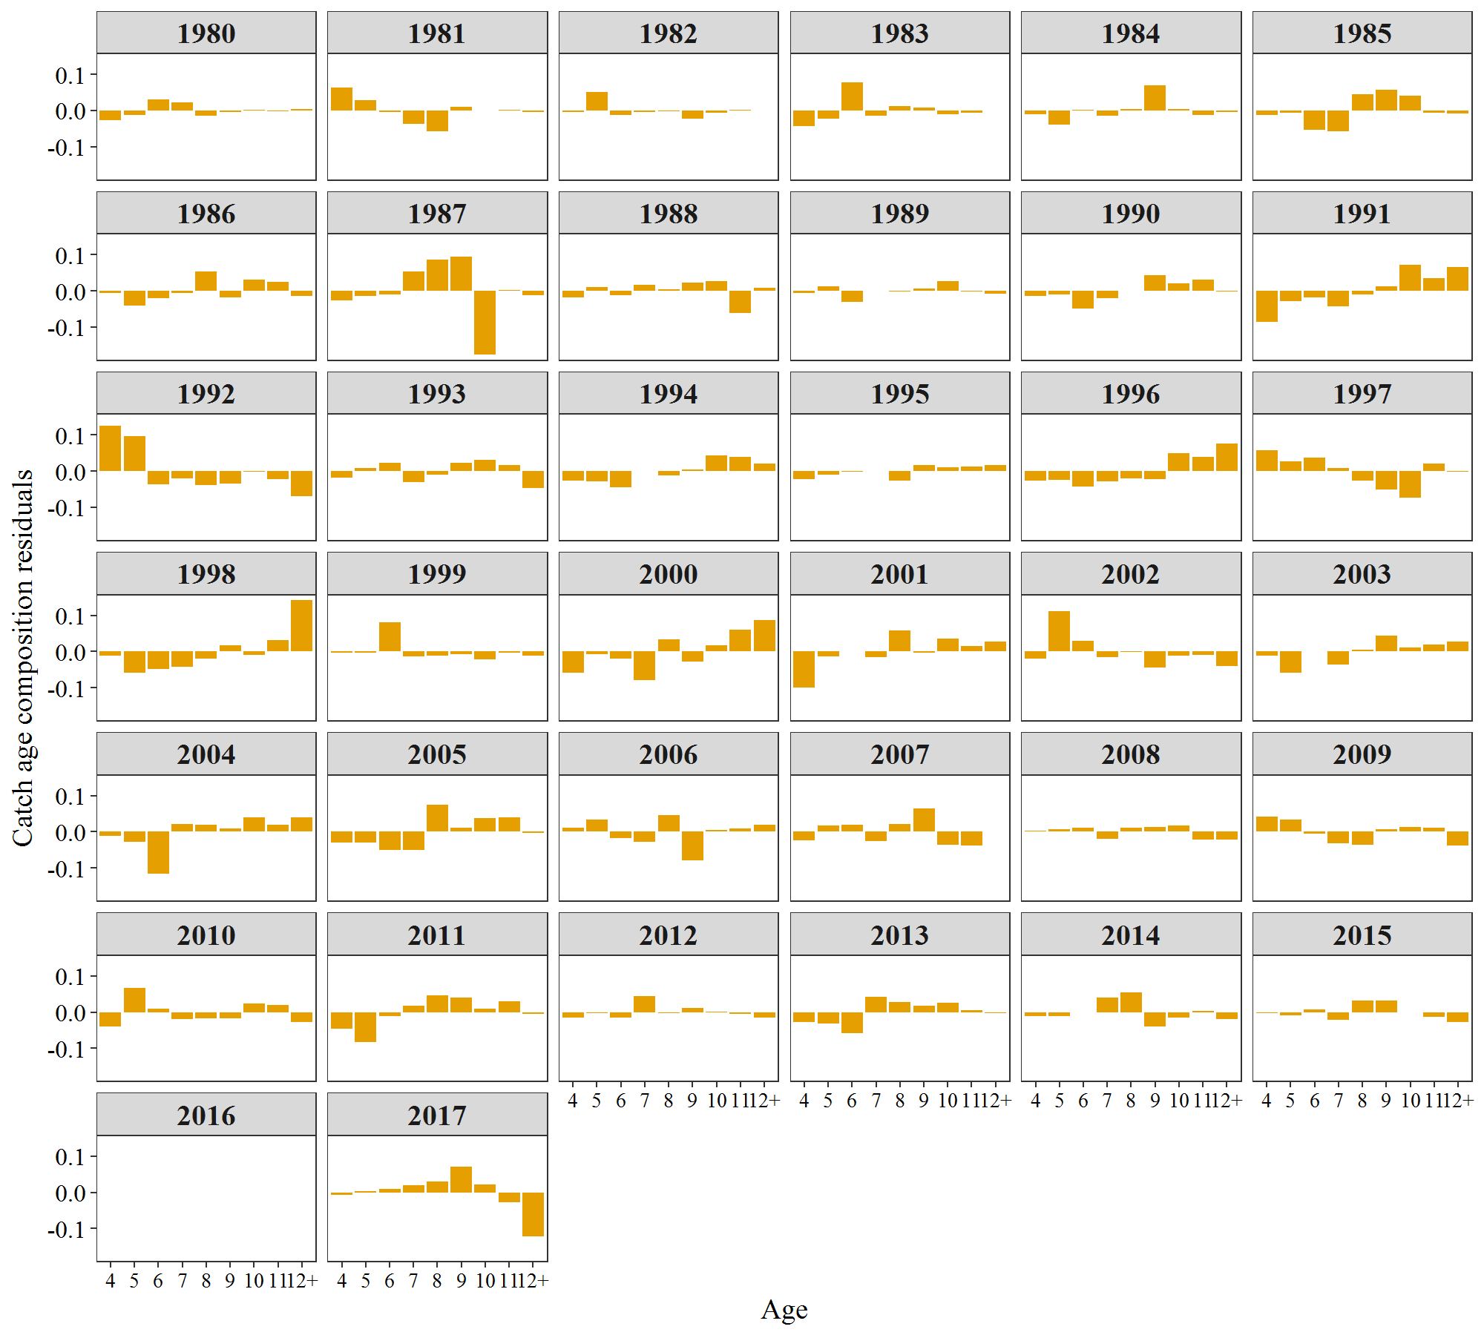
Year | Age | FREQ | Variable
1980 | 4 | -0.0275 | Estimated
1981 | 4 | 0.063 | Estimated
1982 | 4 | -0.0041 | Estimated
1983 | 4 | -0.0426 | Estimated
1984 | 4 | -0.0108 | Estimated
1985 | 4 | -0.0117 | Estimated
1986 | 4 | -0.0067 | Estimated
1987 | 4 | -0.0259 | Estimated
1988 | 4 | -0.0178 | Estimated
1989 | 4 | -0.0052 | Estimated
1990 | 4 | -0.0132 | Estimated
1991 | 4 | -0.0855 | Estimated
1992 | 4 | 0.1259 | Estimated
1993 | 4 | -0.0178 | Estimated
1994 | 4 | -0.0258 | Estimated
1995 | 4 | -0.022 | Estimated
1996 | 4 | -0.0259 | Estimated
1997 | 4 | 0.0582 | Estimated
1998 | 4 | -0.0117 | Estimated
1999 | 4 | -0.0041 | Estimated
2000 | 4 | -0.0593 | Estimated
2001 | 4 | -0.1007 | Estimated
2002 | 4 | -0.0194 | Estimated
2003 | 4 | -0.0111 | Estimated
2004 | 4 | -0.0114 | Estimated
2005 | 4 | -0.0301 | Estimated
2006 | 4 | 0.0109 | Estimated
2007 | 4 | -0.0245 | Estimated
2008 | 4 | 0.0035 | Estimated
2009 | 4 | 0.0418 | Estimated
2010 | 4 | -0.0401 | Estimated
2011 | 4 | -0.0468 | Estimated
2012 | 4 | -0.0154 | Estimated
2013 | 4 | -0.0274 | Estimated
2014 | 4 | -0.0119 | Estimated
2015 | 4 | -0.0026 | Estimated
2016 | 4 | 0 | Estimated
2017 | 4 | -0.0075 | Estimated
1980 | 5 | -0.0127 | Estimated
1981 | 5 | 0.028 | Estimated
1982 | 5 | 0.0505 | Estimated
1983 | 5 | -0.0231 | Estimated
1984 | 5 | -0.0395 | Estimated
1985 | 5 | -0.0067 | Estimated
1986 | 5 | -0.0408 | Estimated
1987 | 5 | -0.0138 | Estimated
1988 | 5 | 0.0111 | Estimated
1989 | 5 | 0.0124 | Estimated
1990 | 5 | -0.0102 | Estimated
1991 | 5 | -0.0283 | Estimated
1992 | 5 | 0.0978 | Estimated
1993 | 5 | 0.0096 | Estimated
1994 | 5 | -0.0279 | Estimated
1995 | 5 | -0.0097 | Estimated
1996 | 5 | -0.0251 | Estimated
1997 | 5 | 0.0275 | Estimated
1998 | 5 | -0.0586 | Estimated
1999 | 5 | -0.004 | Estimated
2000 | 5 | -0.0081 | Estimated
2001 | 5 | -0.0144 | Estimated
2002 | 5 | 0.112 | Estimated
2003 | 5 | -0.0586 | Estimated
2004 | 5 | -0.0273 | Estimated
2005 | 5 | -0.0299 | Estimated
2006 | 5 | 0.0339 | Estimated
2007 | 5 | 0.0164 | Estimated
2008 | 5 | 0.0069 | Estimated
2009 | 5 | 0.0348 | Estimated
2010 | 5 | 0.0667 | Estimated
2011 | 5 | -0.0833 | Estimated
2012 | 5 | -0.0026 | Estimated
2013 | 5 | -0.0306 | Estimated
2014 | 5 | -0.0106 | Estimated
2015 | 5 | -0.0084 | Estimated
2016 | 5 | 0 | Estimated
2017 | 5 | 0.0039 | Estimated
1980 | 6 | 0.0301 | Estimated
1981 | 6 | -0.004 | Estimated
1982 | 6 | -0.0123 | Estimated
1983 | 6 | 0.0771 | Estimated
1984 | 6 | 0.002 | Estimated
1985 | 6 | -0.054 | Estimated
1986 | 6 | -0.0206 | Estimated
1987 | 6 | -0.0105 | Estimated
1988 | 6 | -0.0111 | Estimated
1989 | 6 | -0.0308 | Estimated
1990 | 6 | -0.0492 | Estimated
1991 | 6 | -0.0181 | Estimated
1992 | 6 | -0.0358 | Estimated
1993 | 6 | 0.024 | Estimated
1994 | 6 | -0.0438 | Estimated
1995 | 6 | -0.0018 | Estimated
1996 | 6 | -0.0418 | Estimated
1997 | 6 | 0.0377 | Estimated
1998 | 6 | -0.0493 | Estimated
1999 | 6 | 0.0811 | Estimated
2000 | 6 | -0.0201 | Estimated
2001 | 6 | 0.001 | Estimated
2002 | 6 | 0.0303 | Estimated
2003 | 6 | -0.0002 | Estimated
2004 | 6 | -0.1152 | Estimated
2005 | 6 | -0.0496 | Estimated
2006 | 6 | -0.0182 | Estimated
2007 | 6 | 0.0197 | Estimated
2008 | 6 | 0.0107 | Estimated
2009 | 6 | -0.0059 | Estimated
2010 | 6 | 0.0086 | Estimated
2011 | 6 | -0.0103 | Estimated
2012 | 6 | -0.0147 | Estimated
2013 | 6 | -0.0577 | Estimated
2014 | 6 | -0.0005 | Estimated
2015 | 6 | 0.0082 | Estimated
2016 | 6 | 0 | Estimated
2017 | 6 | 0.0092 | Estimated
1980 | 7 | 0.0221 | Estimated
1981 | 7 | -0.0362 | Estimated
1982 | 7 | -0.0038 | Estimated
1983 | 7 | -0.0141 | Estimated
1984 | 7 | -0.0141 | Estimated
1985 | 7 | -0.0572 | Estimated
1986 | 7 | -0.0066 | Estimated
1987 | 7 | 0.0541 | Estimated
1988 | 7 | 0.0171 | Estimated
1989 | 7 | -0.0002 | Estimated
1990 | 7 | -0.0199 | Estimated
1991 | 7 | -0.0422 | Estimated
1992 | 7 | -0.0206 | Estimated
1993 | 7 | -0.0295 | Estimated
1994 | 7 | 0 | Estimated
1995 | 7 | 0.0008 | Estimated
1996 | 7 | -0.0289 | Estimated
1997 | 7 | 0.0091 | Estimated
1998 | 7 | -0.0427 | Estimated
1999 | 7 | -0.0145 | Estimated
2000 | 7 | -0.0796 | Estimated
2001 | 7 | -0.0163 | Estimated
2002 | 7 | -0.0153 | Estimated
2003 | 7 | -0.0356 | Estimated
2004 | 7 | 0.0215 | Estimated
2005 | 7 | -0.0504 | Estimated
2006 | 7 | -0.028 | Estimated
2007 | 7 | -0.0253 | Estimated
2008 | 7 | -0.0191 | Estimated
2009 | 7 | -0.0314 | Estimated
2010 | 7 | -0.0186 | Estimated
2011 | 7 | 0.018 | Estimated
2012 | 7 | 0.0434 | Estimated
2013 | 7 | 0.0414 | Estimated
2014 | 7 | 0.0404 | Estimated
2015 | 7 | -0.0218 | Estimated
2016 | 7 | 0 | Estimated
2017 | 7 | 0.0205 | Estimated
1980 | 8 | -0.0141 | Estimated
1981 | 8 | -0.0582 | Estimated
1982 | 8 | -0.002 | Estimated
1983 | 8 | 0.0114 | Estimated
1984 | 8 | 0.0037 | Estimated
1985 | 8 | 0.046 | Estimated
1986 | 8 | 0.0531 | Estimated
1987 | 8 | 0.0867 | Estimated
1988 | 8 | 0.0036 | Estimated
1989 | 8 | -0.0017 | Estimated
1990 | 8 | 0 | Estimated
1991 | 8 | -0.0096 | Estimated
1992 | 8 | -0.0388 | Estimated
1993 | 8 | -0.0106 | Estimated
1994 | 8 | -0.0114 | Estimated
1995 | 8 | -0.0255 | Estimated
1996 | 8 | -0.0206 | Estimated
1997 | 8 | -0.0255 | Estimated
1998 | 8 | -0.0188 | Estimated
1999 | 8 | -0.0126 | Estimated
2000 | 8 | 0.0337 | Estimated
2001 | 8 | 0.0574 | Estimated
2002 | 8 | -0.0021 | Estimated
2003 | 8 | 0.0045 | Estimated
2004 | 8 | 0.0185 | Estimated
2005 | 8 | 0.075 | Estimated
2006 | 8 | 0.0471 | Estimated
2007 | 8 | 0.022 | Estimated
2008 | 8 | 0.0115 | Estimated
2009 | 8 | -0.0352 | Estimated
2010 | 8 | -0.0171 | Estimated
2011 | 8 | 0.0473 | Estimated
2012 | 8 | -0.0035 | Estimated
2013 | 8 | 0.0276 | Estimated
2014 | 8 | 0.0542 | Estimated
2015 | 8 | 0.0314 | Estimated
2016 | 8 | 0 | Estimated
2017 | 8 | 0.0294 | Estimated
1980 | 9 | -0.0032 | Estimated
1981 | 9 | 0.0103 | Estimated
1982 | 9 | -0.0233 | Estimated
1983 | 9 | 0.0087 | Estimated
1984 | 9 | 0.0703 | Estimated
1985 | 9 | 0.057 | Estimated
1986 | 9 | -0.0178 | Estimated
1987 | 9 | 0.0941 | Estimated
1988 | 9 | 0.023 | Estimated
1989 | 9 | 0.0073 | Estimated
1990 | 9 | 0.0428 | Estimated
1991 | 9 | 0.0118 | Estimated
1992 | 9 | -0.0345 | Estimated
1993 | 9 | 0.0233 | Estimated
1994 | 9 | 0.0041 | Estimated
1995 | 9 | 0.0163 | Estimated
1996 | 9 | -0.0231 | Estimated
1997 | 9 | -0.051 | Estimated
1998 | 9 | 0.017 | Estimated
1999 | 9 | -0.0069 | Estimated
2000 | 9 | -0.0287 | Estimated
2001 | 9 | -0.0044 | Estimated
2002 | 9 | -0.0437 | Estimated
2003 | 9 | 0.0435 | Estimated
2004 | 9 | 0.0094 | Estimated
2005 | 9 | 0.011 | Estimated
2006 | 9 | -0.0791 | Estimated
2007 | 9 | 0.0639 | Estimated
2008 | 9 | 0.0123 | Estimated
2009 | 9 | 0.0069 | Estimated
2010 | 9 | -0.0167 | Estimated
2011 | 9 | 0.0407 | Estimated
2012 | 9 | 0.0107 | Estimated
2013 | 9 | 0.0168 | Estimated
2014 | 9 | -0.0396 | Estimated
2015 | 9 | 0.0326 | Estimated
2016 | 9 | 0 | Estimated
2017 | 9 | 0.0714 | Estimated
1980 | 10 | 0.0025 | Estimated
1981 | 10 | -0.0004 | Estimated
1982 | 10 | -0.0052 | Estimated
1983 | 10 | -0.0106 | Estimated
1984 | 10 | 0.0045 | Estimated
1985 | 10 | 0.0403 | Estimated
1986 | 10 | 0.0302 | Estimated
1987 | 10 | -0.1762 | Estimated
1988 | 10 | 0.0271 | Estimated
1989 | 10 | 0.0276 | Estimated
1990 | 10 | 0.02 | Estimated
1991 | 10 | 0.0714 | Estimated
1992 | 10 | -0.0019 | Estimated
1993 | 10 | 0.0313 | Estimated
1994 | 10 | 0.0443 | Estimated
1995 | 10 | 0.0098 | Estimated
1996 | 10 | 0.0493 | Estimated
1997 | 10 | -0.0733 | Estimated
1998 | 10 | -0.0091 | Estimated
1999 | 10 | -0.022 | Estimated
2000 | 10 | 0.0175 | Estimated
2001 | 10 | 0.0348 | Estimated
2002 | 10 | -0.0122 | Estimated
2003 | 10 | 0.0103 | Estimated
2004 | 10 | 0.0392 | Estimated
2005 | 10 | 0.0378 | Estimated
2006 | 10 | 0.0055 | Estimated
2007 | 10 | -0.0355 | Estimated
2008 | 10 | 0.0165 | Estimated
2009 | 10 | 0.0134 | Estimated
2010 | 10 | 0.0231 | Estimated
2011 | 10 | 0.0099 | Estimated
2012 | 10 | 0.001 | Estimated
2013 | 10 | 0.0268 | Estimated
2014 | 10 | -0.0158 | Estimated
2015 | 10 | 0.0002 | Estimated
2016 | 10 | 0 | Estimated
2017 | 10 | 0.0217 | Estimated
1980 | 11 | -0.0016 | Estimated
1981 | 11 | 0.0012 | Estimated
1982 | 11 | 0.0012 | Estimated
1983 | 11 | -0.0058 | Estimated
1984 | 11 | -0.0126 | Estimated
1985 | 11 | -0.0052 | Estimated
1986 | 11 | 0.0243 | Estimated
1987 | 11 | 0.0032 | Estimated
1988 | 11 | -0.0612 | Estimated
1989 | 11 | -0.0012 | Estimated
1990 | 11 | 0.0314 | Estimated
1991 | 11 | 0.0347 | Estimated
1992 | 11 | -0.0223 | Estimated
1993 | 11 | 0.0162 | Estimated
1994 | 11 | 0.0386 | Estimated
1995 | 11 | 0.0132 | Estimated
1996 | 11 | 0.0395 | Estimated
1997 | 11 | 0.0201 | Estimated
1998 | 11 | 0.0316 | Estimated
1999 | 11 | -0.0036 | Estimated
2000 | 11 | 0.0594 | Estimated
2001 | 11 | 0.0154 | Estimated
2002 | 11 | -0.0088 | Estimated
2003 | 11 | 0.0197 | Estimated
2004 | 11 | 0.0199 | Estimated
2005 | 11 | 0.0391 | Estimated
2006 | 11 | 0.0089 | Estimated
2007 | 11 | -0.0373 | Estimated
2008 | 11 | -0.0222 | Estimated
2009 | 11 | 0.0107 | Estimated
2010 | 11 | 0.0207 | Estimated
2011 | 11 | 0.0298 | Estimated
2012 | 11 | -0.0046 | Estimated
2013 | 11 | 0.0051 | Estimated
2014 | 11 | 0.0038 | Estimated
2015 | 11 | -0.013 | Estimated
2016 | 11 | 0 | Estimated
2017 | 11 | -0.0275 | Estimated
1980 | 12+ | 0.0044 | Estimated
1981 | 12+ | -0.0038 | Estimated
1982 | 12+ | -0.001 | Estimated
1983 | 12+ | -0.0009 | Estimated
1984 | 12+ | -0.0035 | Estimated
1985 | 12+ | -0.0084 | Estimated
1986 | 12+ | -0.0151 | Estimated
1987 | 12+ | -0.0116 | Estimated
1988 | 12+ | 0.0083 | Estimated
1989 | 12+ | -0.0082 | Estimated
1990 | 12+ | -0.0018 | Estimated
1991 | 12+ | 0.0658 | Estimated
1992 | 12+ | -0.0697 | Estimated
1993 | 12+ | -0.0467 | Estimated
1994 | 12+ | 0.0219 | Estimated
1995 | 12+ | 0.016 | Estimated
1996 | 12+ | 0.0756 | Estimated
1997 | 12+ | -0.0008 | Estimated
1998 | 12+ | 0.1417 | Estimated
1999 | 12+ | -0.0124 | Estimated
2000 | 12+ | 0.0873 | Estimated
2001 | 12+ | 0.0282 | Estimated
2002 | 12+ | -0.0409 | Estimated
2003 | 12+ | 0.0275 | Estimated
2004 | 12+ | 0.0403 | Estimated
2005 | 12+ | -0.0028 | Estimated
2006 | 12+ | 0.0185 | Estimated
2007 | 12+ | 0.0006 | Estimated
2008 | 12+ | -0.0214 | Estimated
2009 | 12+ | -0.0387 | Estimated
2010 | 12+ | -0.0266 | Estimated
2011 | 12+ | -0.0053 | Estimated
2012 | 12+ | -0.0146 | Estimated
2013 | 12+ | -0.0022 | Estimated
2014 | 12+ | -0.02 | Estimated
2015 | 12+ | -0.0265 | Estimated
2016 | 12+ | 0 | Estimated
2017 | 12+ | -0.1212 | Estimated

Figure 13
